Exportar_resultados_AP
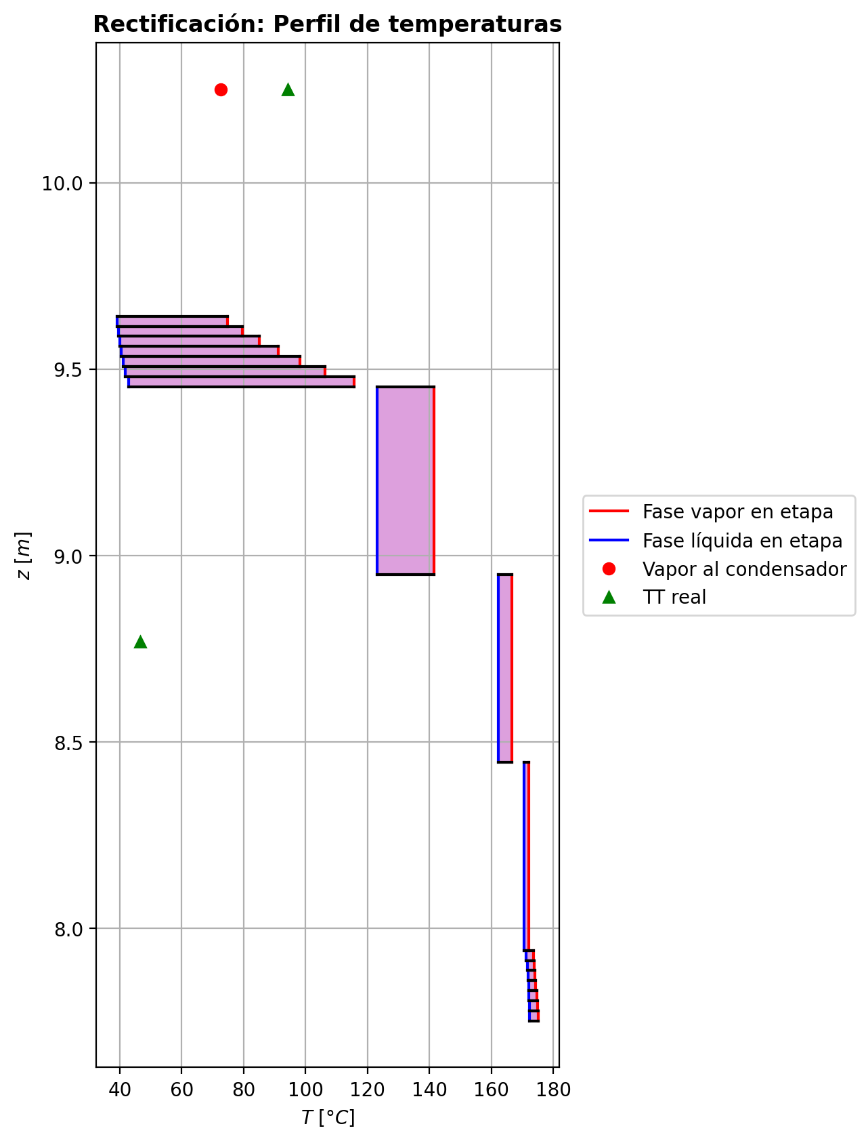
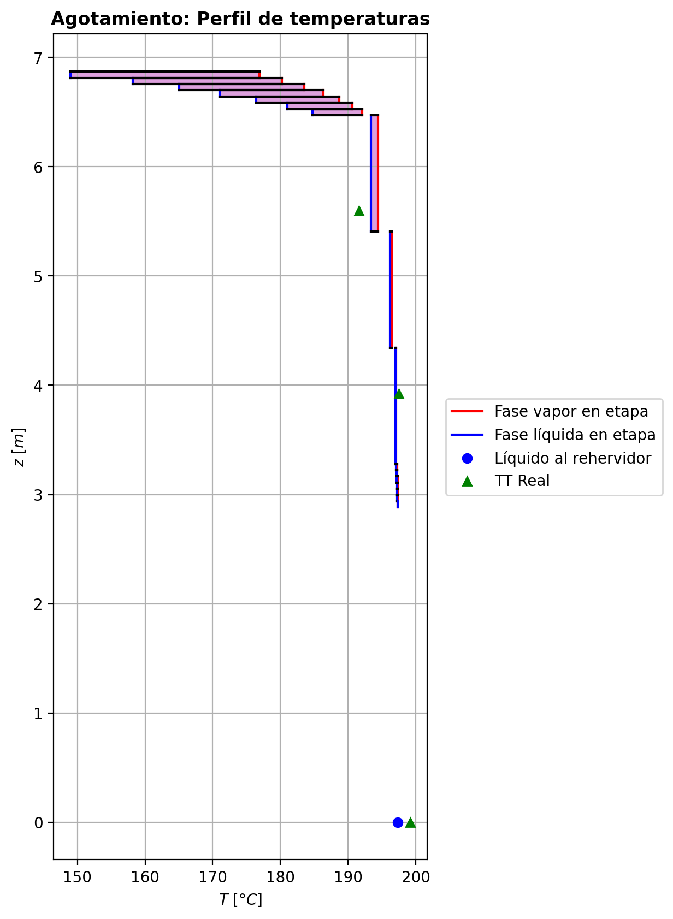
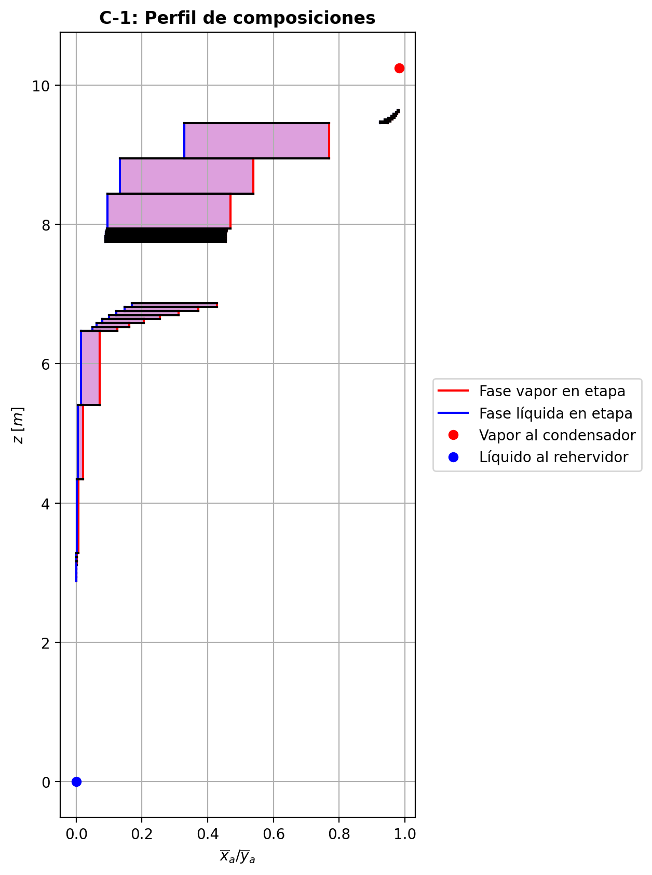
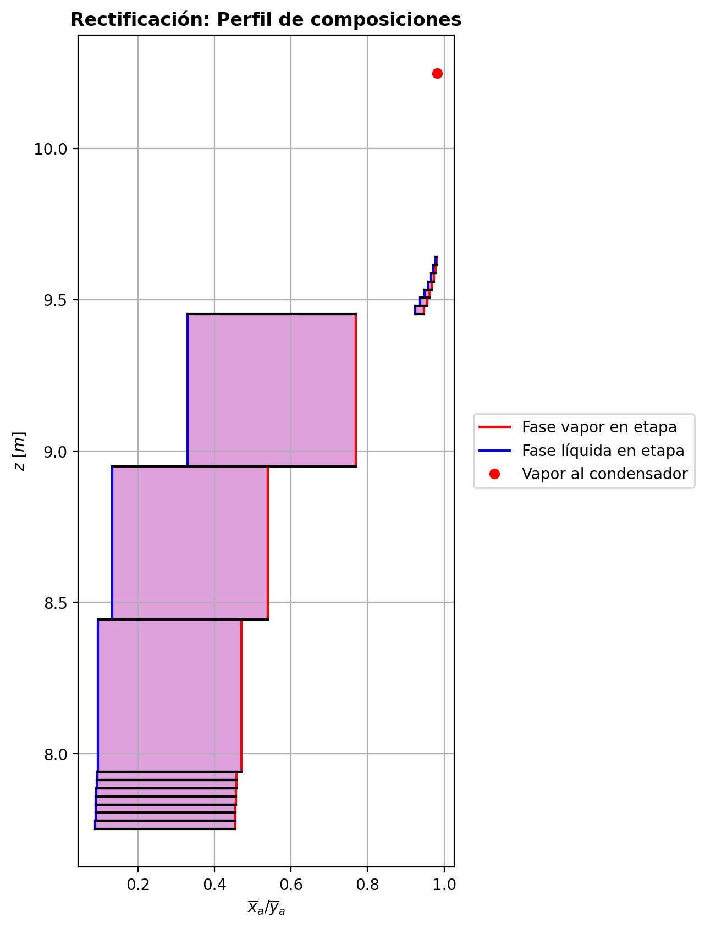
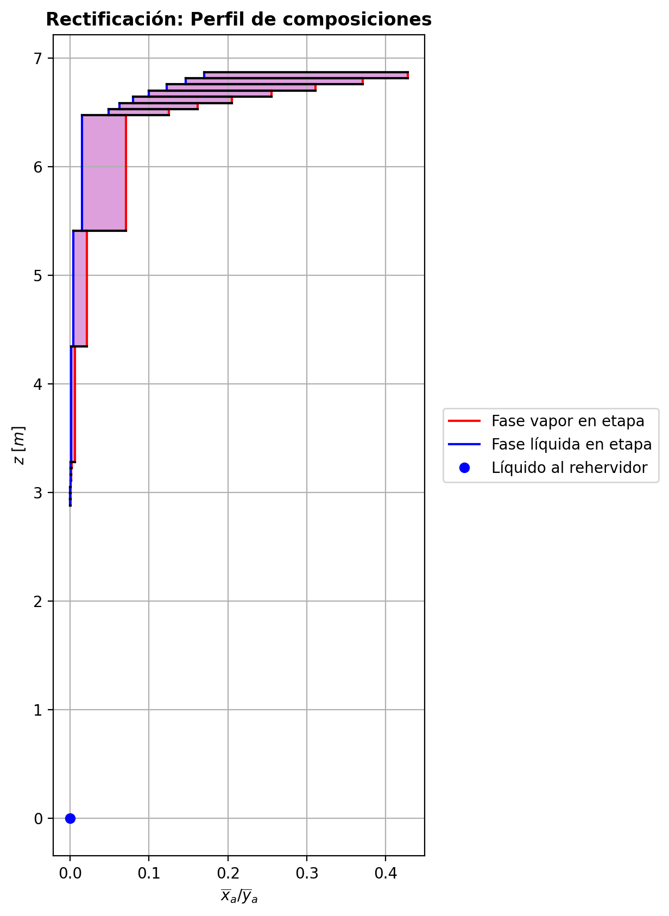
$${\left[N_{t}=N_{a}+N_{w} \right]}_{2}$$
$${\left[N_{t}=N_{a}+N_{w} \right]}_{ps1+ps2−3}$$
$$F_{fría}^{l}+F_{caliente}^{l}=P_{fría}^{l}+P_{caliente}^{l}$$
$${\left[J_{a}^{g}=Γ^{g,b}ρ^{g,b}k_{bm}^{g}a_{ef}A_{tr}Z\left(y_{a}^{b}−y_{a}^{I}\right)\right]}_{2}$$
$${\left(N_{t}\right)}_{2}=V_{3}−V_{2}=L_{2}−{\left(L_{1}−P^{l}\right)}_{E−3}$$
$${\left[J_{a}^{g}=Γ^{g,b}ρ^{g,b}k_{bm}^{g}a_{ef}A_{tr}Z\left(y_{a}^{b}−y_{a}^{I}\right)\right]}_{s}$$
$${\left[N_{t}=N_{a}+N_{w} \right]}_{s}$$
$${\left[J_{a}^{g}=Γ^{g,b}ρ^{g,b}k_{bm}^{g}a_{ef}A_{tr}Z\left(y_{a}^{b}−y_{a}^{I}\right)\right]}_{ps1+ps2−3}$$
Caso | 33 |  |  | Economizador E-1 |  |  |  |  |  |  |  |  | Condensador E-3 (s=1) |  |  |  |  |  |  |  |  | s=2 |  |  |  |  |  |  |  |  |  |  |  |  |  |  | s={3,…,ps1+ps2-4} |  |  |  |  |  |  |  |  |  |  |  |  |  |  |  | s=ps1+ps2-3 |  |  |  |  |  |  |  |  |  |  |  |  |  |  |  |  | Rehervidor E-2 (s=ps1+ps2-2)
ps1 | 19 |  | Representación y balances |  |  |  |  |  |  |  |  |  |  |  |  |  |  |  |  |  |  | Atr [m2] | 0.15904312809 |  |  |  |  |  |  |  |  |  |  |  |  |  | s |  | Atr [m2] | 0.15904312809 |  |  |  |  |  |  |  |  |  |  |  |  | Atr [m2] | 0.15904312809
ps2 | 19 |  |  | Pl [kmol/h]= | 37.8323833 | Fl [kmol/h]= | 48.0624645 | Balance de Masa Total [kmol/h] |  |  |  |  | V2 [kmol/h]= | 36.7994607 |  |  | Balance de Masa Total [kmol/h] |  |  |  |  |  | V2 [kmol/h]= | 36.7994607 |  |  | L1-Pl en E-3 [kmol/h]= | 26.5693795 |  | Balance de Masa Total [kmol/h] |  |  |  |  |  |  |  |  | Vs [kmol/h]= | #VALUE! |  |  | Ls-1 [kmol/h]= | #VALUE! |  | Balance de Masa Total [kmol/h] |  |  |  |  |  |  |  |  | Vps1+ps2-3 [kmol/h]= | 30.8085794 |  |  | Lps1+ps2-4 [kmol/h]= | 68.6409627 |  | Balance de Masa Total [kmol/h] |  |  |  |  |  |  |  | Lps1+ps2-3 [kmol/h]= | 68.6418224 | Vps1+ps2-2 [kmol/h]= | 0.000824333415 |  |  | Balance de Masa Total [kmol/h]
$$V_{2}=L_{1}$$
$${\left[J_{a}^{l}=Γ^{l,b}ρ^{l,b}k_{bm}^{l}a_{ef}A_{tr}Z\left(x_{a}^{I}−x_{a}^{b}\right)\right]}_{2}$$
$${\left[J_{a}^{l}=Γ^{l,b}ρ^{l,b}k_{bm}^{l}a_{ef}A_{tr}Z\left(x_{a}^{I}−x_{a}^{b}\right)\right]}_{s}$$
$${\left(N_{t}\right)}_{s}=V_{s+1}−V_{s}=L_{s}−L_{s−1}−F_{s}^{l}$$
$${\left[J_{a}^{l}=Γ^{l,b}ρ^{l,b}k_{bm}^{l}a_{ef}A_{tr}Z\left(x_{a}^{I}−x_{a}^{b}\right)\right]}_{ps1+ps2−3}$$
$${\left(N_{t}\right)}_{ps1+ps2−3}=V_{ps1+ps2−2}−V_{ps1+ps2−3}+F_{ps1+ps2−3}^{g}=L_{ps1+ps2−3}−L_{ps1+ps2−4}−F_{ps1+ps2−3}^{l}$$
$$L_{ps1+ps2−3}=P_{ps1+ps2−2}^{g}+P_{ps1+ps2−2}^{l}+V_{ps1+ps2−2}$$
flowmode1 | VPLUG |  |  | T [°C]= | 66.8460813 | T [°C]= | 20 |  |  |  |  |  | T [°C]= | 72.7144131 |  |  |  |  |  |  |  |  | T [°C]= | 72.7144131 |  |  | T [°C]= | 38.7504609 |  |  |  |  |  |  |  |  |  |  | T [°C]= | #VALUE! |  |  | T [°C]= | #VALUE! |  |  |  |  |  |  |  |  |  |  | T [°C]= | 197.317382 |  |  | T [°C]= | 197.282273 |  |  |  |  |  |  |  |  |  | T [°C]= | 197.296337 | T [°C]= | 197.291126 | Pg [kmol/h]= | 30.8086148
$${\left[Q^{g}=k_{h}^{g}a_{ef}A_{tr}Z\left(T^{g,b}−T^{I}\right)\right]}_{2}$$
$${\left[Q^{g}=k_{h}^{g}a_{ef}A_{tr}Z\left(T^{g,b}−T^{I}\right)\right]}_{s}$$
$${\left[Q^{g}=k_{h}^{g}a_{ef}A_{tr}Z\left(T^{g,b}−T^{I}\right)\right]}_{ps1+ps2−3}$$
$${f_{v}\left(L−P^{l}\right)}_{ps1+ps2−2}=P_{ps1+ps2−2}^{g}$$
flowmode2 | VPLUG |  |  | P [bar]= | 14.6887587 | P [bar]= | 18.6326 |  | 85.8948478 | = | 85.8948478 |  | P [bar]= | 14.6937395 |  |  |  | 36.7994607 | = | 36.7994607 |  |  | P [bar]= | 14.6937395 |  |  | P [bar]= | 14.6937395 |  |  | -0.497473623 | = | -0.4974736 | = | -0.4974736 |  |  |  | P [bar]= | #VALUE! |  |  | P [bar]= | #VALUE! |  |  | #VALUE! | = |  | = | #VALUE! |  |  |  | P [bar]= | 14.6985405 |  |  | P [bar]= | 14.6984932 |  |  |  | 0.0008597692 | = | 0.000859733415 | = | 0.00085969999999 |  | P [bar]= | 14.6985405 | P [bar]= | 14.6985878 | T [°C]= | 197.320982
$${\left[Q^{l}=k_{h}^{l}a_{ef}A_{tr}Z\left(T^{I}−T^{l,b}\right)\right]}_{2}$$
$${\left[Q^{l}=k_{h}^{l}a_{ef}A_{tr}Z\left(T^{I}−T^{l,b}\right)\right]}_{s}$$
$${\left[Q^{l}=k_{h}^{l}a_{ef}A_{tr}Z\left(T^{I}−T^{l,b}\right)\right]}_{ps1+ps2−3}$$
simtype | 1 |  |  | xa molar= | 0.00012826349 | xa molar= | 0.209145562 |  |  |  |  |  | ya molar= | 0.982123056 |  |  |  |  |  |  |  | z top [m]= | ya molar= | 0.982123056 |  |  | xa molar= | 0.982123056 |  |  |  |  |  |  |  |  |  | z top [m]= | ya molar= | #VALUE! |  |  | xa molar= | #VALUE! |  |  |  |  |  |  |  |  |  | z top [m]= | ya molar= | 0.000255078271 |  |  | xa molar= | 0.000185182611 |  |  |  |  |  |  |  |  |  | xa molar= | 0.000128320077 | ya molar= | 0.000805940702 | P [bar]= | 14.6985878 |  |  | 68.6418224 | = | 68.641822433
$${\left(N_{a}\right)}_{ps1+ps2−3}={\left(Vy_{a}\right)}_{ps1+ps2−2}−{\left(Vy_{a}\right)}_{ps1+ps2−3}+{\left(F^{g}y_{a}\right)}_{ps1+ps2−3}={\left(Lx_{a}\right)}_{ps1+ps2−3}−{\left(Lx_{a}\right)}_{ps1+ps2−4}−{\left(F^{l}x_{a}\right)}_{ps1+ps2−3}$$
pborde1 | 0.1 |  |  | h [kJ/kmol]= | -282631.682 | h [kJ/kmol]= | -243616.793 | Balance de Masa Amoníaco [kmol/h] |  |  |  |  | h [kJ/kmol]= | -48733.4325 |  |  | Balance de Masa Amoníaco [kmol/h] |  |  |  |  | 9.6416 | h [kJ/kmol]= | -48733.4325 |  |  | h [kJ/kmol]= | -69989.1827 |  | Balance de Masa Amoníaco [kmol/h] |  |  |  |  |  |  |  | #VALUE! | h [kJ/kmol]= | #VALUE! |  |  | h [kJ/kmol]= | #VALUE! |  | Balance de Masa Amoníaco [kmol/h] |  |  |  |  |  |  |  | 2.9376 | h [kJ/kmol]= | -237401.417 |  |  | h [kJ/kmol]= | -272548.226 |  | Balance de Masa Amoníaco [kmol/h] |  |  |  |  |  |  |  | h [kJ/kmol]= | -272559.021 | h [kJ/kmol]= | -237293.172 | ya molar= | 0.000128371433 |  |  | 30.808614746 | = | 30.8086148
$${\left(F^{l}x_{a,F}\right)}_{fría}+{\left(F^{l}x_{a,F}\right)}_{caliente}={\left(P^{l}x_{a,P}\right)}_{fría}+{\left(P^{l}x_{a,P}\right)}_{caliente}$$
$${\left(Vy_{a}\right)}_{2}={\left(Lx_{a}\right)}_{1}$$
$${\left(N_{a}\right)}_{2}={\left(Vy_{a}\right)}_{3}−{\left(Vy_{a}\right)}_{2}={\left(Lx_{a}\right)}_{2}−{\left[\left(L_{1}−P^{l}\right)x_{a}\right]}_{E−3}$$
$${\left(N_{a}\right)}_{s}={\left(Vy_{a}\right)}_{s+1}−{\left(Vy_{a}\right)}_{s}={\left(Lx_{a}\right)}_{s}−{\left(Lx_{a}\right)}_{s−1}−{\left(F^{l}x_{a}\right)}_{s}$$
nborde1 | 7 |  |  |  |  |  |  |  |  |  |  |  |  |  |  |  |  |  |  |  |  |  |  |  | TI [°C]= | 39.3915882 |  |  |  |  |  |  |  |  |  |  | NO APLICA |  |  |  | TI [°C]= | #VALUE! |  |  |  |  |  |  |  |  |  |  | NO APLICA |  |  |  | TI [°C]= | 197.298025 |  |  |  |  |  |  |  |  |  |  |  |  |  |  |  | h [kJ/kmol]= | -237426.45306
$${\left(N_{a}\right)}_{2}={\left(J_{a}^{g}\right)}_{2}+{\left(N_{t}y_{a}^{b}\right)}_{2}={\left(J_{a}^{l}\right)}_{2}+{\left(N_{t}x_{a}^{b}\right)}_{2}$$
$${\left(N_{a}\right)}_{s}={\left(J_{a}^{g}\right)}_{s}+{\left(N_{t}y_{a}^{b}\right)}_{s}={\left(J_{a}^{l}\right)}_{s}+{\left(N_{t}x_{a}^{b}\right)}_{s}$$
$${\left(N_{a}\right)}_{ps1+ps2−3}={\left(J_{a}^{g}\right)}_{ps1+ps2−3}+{\left(N_{t}y_{a}^{b}\right)}_{ps1+ps2−3}={\left(J_{a}^{l}\right)}_{ps1+ps2−3}+{\left(N_{t}x_{a}^{b}\right)}_{ps1+ps2−3}$$
pborde2 | 0.1 |  |  |  |  |  |  |  | 10.056903662 | = | 10.056903662 |  |  |  |  |  |  | 36.141598802 | = | 36.141598802 |  |  | V2b [kmol/h]= | 36.5507239 | yaI molar= | 0.999937522 | L2b [kmol/h]= | 26.0719059 |  |  |  |  |  |  |  |  | Fl Alimentación [kmol/h]= | #VALUE! | Vsb [kmol/h]= | #VALUE! | yaI molar= | #VALUE! | Lsb [kmol/h]= | #VALUE! |  |  |  |  |  |  |  |  | Fl Alimentación [kmol/h]= | - | Vps1+ps2-3b [kmol/h]= | 20.539339511 | yaI molar= | 0.000645955293 | Lps1+ps2-3b [kmol/h]= | 68.6418224 |  |  |  |  |  |  |  |  |  |  |  |  |  |  |  | Balance de Masa Amoníaco [kmol/h]
$${\left(Lx_{a}\right)}_{ps1+ps2−3}={\left(P^{g}y_{a}\right)}_{ps1+ps2−2}+{\left(P^{l}y_{a}\right)}_{ps1+ps2−2}+{\left(Vy_{a}\right)}_{ps1+ps2−2}$$
nborde2 | 7 |  |  | Q̇ [kJ/h]= |  |  |  |  |  |  |  |  | Q̇ [kJ/h]= |  |  |  |  |  |  |  |  |  | Tg,b [°C]= | 74.9145959 | xaI molar= | 0.96756178 | Tl,b [°C]= | 39.261652 |  |  | -0.604607164 | = | -0.60460714249 | = | -0.60460713048 |  | T [°C]= | #VALUE! | Tg,b [°C]= | #VALUE! | xaI molar= | #VALUE! | Tl,b [°C]= | #VALUE! |  |  | #VALUE! | = |  | = | #VALUE! |  | T [°C]= | - | Tg,b [°C]= | 197.30983 | xaI molar= | 0.000102799493 | Tl,b [°C]= | 197.296337 |  |  |  | -0.00390298877 | = | -0.0039029887708 | = | -0.0039029887586
$$\dot{Q}={{\left(P^{l}h_{P}\right)}_{fría}−\left(F^{l}h_{F}\right)}_{fría}$$
$${\left[\left(L−P^{l}\right)x_{a}\right]}_{ps1+ps2−2}={\left(P^{g}y_{a}\right)}_{ps1+ps2−2}+{\left[\left(L−P^{l}−P^{g}\right)x_{a}\right]}_{ps1+ps2−2}$$
Molar RR | 2.59718168 |  |  | 381056.392 |  |  |  | Balance de Energía [kJ/h] |  |  |  |  | 782200.148 |  |  |  | Balance de Energía [kJ/h] |  |  |  |  |  | P [bar]= | 14.6937395 | Na [kmol/h]= | -0.604607164 | P [bar]= | 14.6937395 |  |  | -0.604607164 | = | -0.604607164 | = | -0.604607164 |  | P [bar]= | #VALUE! | P [bar]= | #VALUE! | Na [kmol/h]= | #VALUE! | P [bar]= | #VALUE! |  |  | #VALUE! | = | #VALUE! | = | #VALUE! |  | P [bar]= | - | P [bar]= | 14.6985405 | Na [kmol/h]= | -0.00390298877 | P [bar]= | 14.6985405 |  |  |  | -0.00390298877 | = | -0.00390298877 | = | -0.00390298877 |  |  |  | Lps1+ps2-2-Pl-Pg [kmol/h]= | 0.0308394
$$\dot{Q}={\left(Vh\right)}_{2}−{\left(Lh\right)}_{1}$$
Molar BR | 0.814366858 |  |  |  |  |  |  |  |  |  |  |  |  |  |  |  |  |  |  |  |  |  | yab molar= | 0.9805249775 | Nw [kmol/h]= | 0.107133541 | xab molar= | 0.977672793 |  |  |  |  |  |  |  |  | xa molar= | #VALUE! | yab molar= | #VALUE! | Nw [kmol/h]= | #VALUE! | xab molar= | #VALUE! |  |  |  |  |  |  |  |  | xa molar= | - | yab molar= | 0.00039646346867 | Nw [kmol/h]= | 0.00476275797 | xab molar= | 0.000128320077 |  |  |  |  |  |  |  |  |  |  |  | T [°C]= | 197.320982 |  |  |  |  | 0.0088081239358 | = | 0.0088081239115
$$\dot{Q}={\left(F^{l}h_{F}\right)}_{caliente}−{\left(P^{l}h_{P}\right)}_{caliente}$$
$$E_{ps1+ps2−3}={\left(Vh\right)}_{ps1+ps2−2}−{\left(Vh\right)}_{ps1+ps2−3}+{\left(F^{g}h\right)}_{ps1+ps2−3}={\left(Lh\right)}_{ps1+ps2−3}−{\left(Lh\right)}_{ps1+ps2−4}−{\left(F^{l}h\right)}_{ps1+ps2−3}$$
Molar fv Reboiler | 0.999 |  |  |  |  |  |  |  |  |  |  |  | L1 [kmol/h]= | 36.7994607 |  |  |  | 782200.148 | = | 782200.14413 |  |  |  |  | Nt [kmol/h]= | -0.497473623 |  |  |  | Balance de Energía [kJ/h] |  |  |  |  |  |  | h [kJ/kmol]= | #VALUE! |  |  | Nt [kmol/h]= | #VALUE! |  |  |  | Balance de Energía [kJ/h] |  |  |  |  |  |  | h [kJ/kmol]= | - |  |  | Nt [kmol/h]= | 0.0008597692 |  |  |  | Balance de Energía [kJ/h] |  |  |  |  |  |  |  |  |  | P [bar]= | 14.6985878 |  |  |  |  | 0.0039555760254 | = | 0.0039555760123
$$E_{2}={\left(Vh\right)}_{3}−{\left(Vh\right)}_{2}={\left(Lh\right)}_{2}−{\left[\left(L_{1}−P^{l}\right)h\right]}_{E−3}$$
$$E_{s}={\left(Vh\right)}_{s+1}−{\left(Vh\right)}_{s}={\left(Lh\right)}_{s}−{\left(Lh\right)}_{s−1}−{\left(F^{l}h\right)}_{s}$$
$$E_{ps1+ps2−3}={\left(Q^{g}\right)}_{ps1+ps2−3}+{\left(ΣN_{i}{\hat{h}}_{i}^{g,b}\right)}_{ps1+ps2−3}={\left(Q^{l}\right)}_{ps1+ps2−3}+{\left(ΣN_{i}{\hat{h}}_{i}^{l,b}\right)}_{ps1+ps2−3}$$
Mass xa Distillate | 0.981108924 |  |  | Fl=Pl en E-2 [kmol/h]= | 37.8323833 | Pl=Fl Alimentación [kmol/h]= | 48.0624645 |  | 381056.392 | = | 381056.37686 |  | T [°C]= | 38.7504609 |  |  |  |  |  |  |  |  |  |  | E [kJ/h]= | 8763.87761 |  |  |  |  |  |  |  |  |  |  |  |  |  |  | E [kJ/h]= | #VALUE! |  |  |  |  |  |  |  |  |  |  |  |  |  |  | E [kJ/h]= | -975.33937 |  |  |  |  |  |  |  |  |  |  |  |  |  | xa molar= | 2.04278196E-05
$$E_{2}={\left(Q^{g}\right)}_{2}+{\left(ΣN_{i}{\hat{h}}_{i}^{g,b}\right)}_{2}={\left(Q^{l}\right)}_{2}+{\left(ΣN_{i}{\hat{h}}_{i}^{l,b}\right)}_{2}$$
$$E_{s}={\left(Q^{g}\right)}_{s}+{\left(ΣN_{i}{\hat{h}}_{i}^{g,b}\right)}_{s}={\left(Q^{l}\right)}_{s}+{\left(ΣN_{i}{\hat{h}}_{i}^{l,b}\right)}_{s}$$
Mass xa Bottoms | 0.000121253423 |  |  | T [°C]= | 197.291126 | T [°C]= | 113.634866 |  | 381056.392 | = | 381056.39038 |  | P [bar]= | 14.6937395 |  |  | Relación |  |  |  |  | z lower [m]= | V3 [kmol/h]= | 36.3019871 |  |  | L2 [kmol/h]= | 26.0719059 |  |  |  |  |  |  |  |  |  | z lower [m]= | Vs+1 [kmol/h]= |  |  |  | Ls [kmol/h]= | #VALUE! |  |  |  |  |  |  |  |  |  | z lower [m]= | Vps1+ps2-2 [kmol/h]= | 0.000824333415 | Fg=Pg en E-2 [kmol/h]= | 30.8086148 | Lps1+ps2-3 [kmol/h]= | 68.6418224 |  |  |  |  |  |  |  |  |  |  |  | h [kJ/kmol]= | -272579.66982 |  | Q̇ [kJ/h]= | Balance de Energía [kJ/h]
$$RR=\frac{L_{1}−{\left(P^{l}\right)}_{1}}{{\left(P^{l}\right)}_{1}}$$
$${\left(Lh\right)}_{ps1+ps2−3}={\left(P^{g}h\right)}_{ps1+ps2−2}+{\left(P^{l}h\right)}_{ps1+ps2−2}+{\left(Vh\right)}_{ps1+ps2−2}−\dot{Q}$$
 |  |  |  | P [bar]= | 14.6985878 | P [bar]= | 18.6125587 |  |  |  |  |  | xa molar= | 0.982123056 |  |  |  |  |  |  |  | 9.6146 | T [°C]= | 77.1147787 |  |  | T [°C]= | 39.261652 |  |  | 8763.87761 | = | 8763.8770165 | = | 8763.8752514 |  |  | #VALUE! | T [°C]= |  |  |  | T [°C]= | #VALUE! |  |  | #VALUE! | = |  | = | #VALUE! |  |  | 2.8806 | T [°C]= | 197.291126 | T [°C]= | 197.320982 | T [°C]= | 197.296337 |  |  |  | -975.33937 | = | -975.33893061 | = | -975.2981827 |  |  |  |  |  |  | 1082398.48
$$\dot{Q}={\left(P^{g}h\right)}_{ps1+ps2−2}−{\left[\left(L−P^{l}\right)h\right]}_{ps1+ps2−2}+{\left[\left(L−P^{l}−P^{g}\right)h\right]}_{ps1+ps2−2}$$
 |  |  |  | xa molar= | 0.00012826349 | xa molar= | 0.209145562 |  |  |  |  |  | h [kJ/kmol]= | -69989.1827 |  |  |  | 2.59718168 | = | 2.5971816822 |  |  | P [bar]= | 14.6937667 |  |  | P [bar]= | 14.6937395 |  |  | 8763.87761 | = | 8763.87761 | = | 8763.87761 |  |  |  | P [bar]= |  |  |  | P [bar]= | #VALUE! |  |  | #VALUE! | = | #VALUE! | = | #VALUE! |  |  |  | P [bar]= | 14.6985878 | P [bar]= | 14.6985878 | P [bar]= | 14.6985405 |  |  |  | -975.33937 | = | -975.3393697 | = | -975.3393745
 |  |  |  | h [kJ/kmol]= | -272559.454 | h [kJ/kmol]= | -235688.436 |  |  |  |  |  |  |  |  |  |  |  |  |  |  | Z [m]= | ya molar= | 0.978926899 |  |  | xa molar= | 0.977672793 |  |  |  |  |  |  |  |  |  | Z [m]= | ya molar= |  |  |  | xa molar= | #VALUE! |  |  |  |  |  |  |  |  |  | Z [m]= | ya molar= | 0.000805940702 | ya molar= | 0.000128371433 | xa molar= | 0.000128320077 |  |  |  |  |  |  |  |  |  |  |  |  |  |  |  |  |  | -18708947.913 | = | -18708947.96
 |  |  |  |  | Caliente | Fría |  |  |  |  |  |  | L1-Pl [kmol/h]= | 26.5693795 | Pl [kmol/h]= | 10.2300812 |  |  |  |  |  | 0.027 | h [kJ/kmol]= | -49159.8477 |  |  | h [kJ/kmol]= | -70988.4919 |  |  |  |  |  |  |  |  |  | #VALUE! | h [kJ/kmol]= |  |  |  | h [kJ/kmol]= | #VALUE! |  |  |  |  |  |  |  |  |  | 0.057 | h [kJ/kmol]= | -237293.172 | h [kJ/kmol]= | -237426.45306 | h [kJ/kmol]= | -272559.021 |  |  |  |  |  |  |  |  |  | Pl [kmol/h]= | 37.8323833 | Lps1+ps2-2-Pl [kmol/h]= | 30.8394542 |  |  |  |  | 1082398.48 | = | 1082398.4814
 |  |  |  |  |  |  |  |  |  |  |  |  | T [°C]= | 38.7504609 | T [°C]= | 38.7504609 |  |  |  |  |  |  |  | Vapor |  |  | Líquido |  |  |  |  |  |  |  |  |  |  |  |  | Vapor |  |  | Líquido |  |  |  |  |  |  |  |  |  |  |  |  | Vapor |  |  | Líquido |  |  |  |  |  |  |  |  |  |  | T [°C]= | 197.291126 | T [°C]= | 197.291126
$$f_{v}=\frac{P_{ps1+ps2−2}^{g}}{{\left(L−P^{l}\right)}_{ps1+ps2−2}}$$
 |  |  |  |  |  |  |  |  |  |  |  |  | P [bar]= | 14.6937395 | P [bar]= | 14.6937395 |  |  |  |  |  | Transferencia de masa y calor |  |  |  |  |  |  |  |  |  |  |  |  |  |  |  | Transferencia de masa y calor |  |  |  |  |  |  |  |  |  |  |  |  |  |  |  | Transferencia de masa y calor |  |  |  |  |  |  |  |  |  |  |  |  |  |  |  | P [bar]= | 14.6985878 | P [bar]= | 14.6985878 |  |  | Relación
$$BR=\frac{P_{ps1+ps2−2}^{g}}{P_{ps1+ps2−2}^{l}}$$
 |  |  |  |  |  |  |  |  |  |  |  |  | xa molar= | 0.982123056 | xa molar= | 0.982123056 |  |  |  |  |  | Difusión |  | Convección |  | aef [m2/m3] | 519.24515971 | khg [kJ/h·m2·°C] | 92.81106756 |  |  |  |  |  |  |  |  | Difusión |  | Convección |  | aef [m2/m3] | #VALUE! | khg [kJ/h·m2·°C] | #VALUE! |  |  |  |  |  |  |  |  | Difusión |  | Convección |  | aef [m2/m3] | 416.5402768 | khg [kJ/h·m2·°C] | 71.16185736 |  |  |  |  |  |  |  |  | xa molar= | 0.00012826349 | xa molar= | 0.00012826349
 |  |  |  |  |  |  |  |  |  |  |  |  | h [kJ/kmol]= | -69989.1827 | h [kJ/kmol]= | -69989.1827 |  |  |  |  |  | Jag [kmol/h]= | -0.116821851 | Ntyab [kmol/h]= | -0.487785313 | kbmg [m/h] | 4.6097673145 | khl [kJ/h·m2·°C] | 3860.618796 |  |  |  |  |  |  |  |  | Jag [kmol/h]= | #VALUE! | Ntyab [kmol/h]= | #VALUE! | kbmg [m/h] | #VALUE! | khl [kJ/h·m2·°C] | #VALUE! |  |  |  |  |  |  |  |  | Jag [kmol/h]= | -0.0039033296371 | Ntyab [kmol/h]= | 3.4086707928E-07 | kbmg [m/h] | 5.5067765739 | khl [kJ/h·m2·°C] | 12226.839624 |  |  |  |  |  |  |  |  | h [kJ/kmol]= | -272559.454 | h [kJ/kmol]= | -272559.45439
 |  |  |  |  |  |  |  |  |  |  |  |  |  |  |  |  |  |  |  |  |  | Jal [kmol/h]= | -0.11824073756 | Ntxab [kmol/h]= | -0.48636642644 | kbml [m/h] | 0.15377902198 |  |  |  |  |  |  |  |  |  |  | Jal [kmol/h]= | #VALUE! | Ntxab [kmol/h]= | #VALUE! | kbml [m/h] | #VALUE! |  |  |  |  |  |  |  |  |  |  | Jal [kmol/h]= | -0.0039030990956 | Ntxab [kmol/h]= | 1.1032564995E-07 | kbml [m/h] | 0.84069108601 |  |  |  |  |  |  |  |  |  |  |  |  |  |  |  |  |  |  | 0.814366858 | = | 0.81434506929
 |  |  |  |  |  |  |  |  |  |  |  |  | Nota: En lo exportado de Aspen Plus, deben ser iguales las propiedades en la salida líquida (al ser un divisor). Se usan promedios en T, P, xa y h en L1-Pl para validarlo. |  |  |  |  |  |  |  |  | Qg [kJ/h]= | 6895.92785 | ΣNiĥig,b [kJ/h]= | 1867.94976 | Γg,b | 1.0431152285 |  |  |  |  |  |  |  |  |  |  | Qg [kJ/h]= | #VALUE! | ΣNiĥig,b [kJ/h]= | #VALUE! | Γg,b | #VALUE! |  |  |  |  |  |  |  |  |  |  | Qg [kJ/h]= | 5.2016593 | ΣNiĥig,b [kJ/h]= | -980.541029 | Γg,b | 1.8205772485 |  |  |  |  |  |  |  |  |  |  | Q̇ [kJ/h] mediante la suposición de estado cuasi-estacionario del aceite térmico= |  |  |  |  | 1098528.7078 |  |  | 0.999 | = | 0.99900000176
$$\dot{Q}={\overline{L}}_{t66}\left[{\overline{h}}_{t66}\left(TT−6\right)−{\overline{h}}_{t66}\left(TT−7\right)\right]$$
 |  |  |  |  |  |  |  |  |  |  |  |  |  |  |  |  |  |  |  |  |  | Ql [kJ/h]= | 1118.505 | ΣNiĥil,b [kJ/h]= | 7645.37261 | Γl,b | 0.98105838548 |  |  |  |  |  |  |  |  |  |  | Ql [kJ/h]= | #VALUE! | ΣNiĥil,b [kJ/h]= | #VALUE! | Γl,b | #VALUE! |  |  |  |  |  |  |  |  |  |  | Ql [kJ/h]= | 77.9548155 | ΣNiĥil,b [kJ/h]= | -1053.29419 | Γl,b | 1.0002413349
 |  |  |  |  |  |  |  |  |  |  |  |  |  |  |  |  |  |  |  |  |  |  |  |  |  |  |  |  |  |  |  |  |  |  |  |  |  |  |  |  |  |  |  |  |  |  |  |  |  |  |  |  |  |  |  |  |  |  |  |  |  |  |  |  |  |  |  |  |  | TT-6 [°C]= | 230.0281 | FIC-1 [m3/h]= | 84.1997
Economizador |  |  |  |  |  |  |  |  |  |  |  |  |  |  |  |  |  |  |  |  |  |  |  |  |  |  |  |  |  |  |  |  |  |  |  |  |  |  |  |  |  |  |  |  |  |  |  |  |  |  |  |  |  |  |  |  |  |  |  |  |  |  |  |  |  |  |  |  |  | TT-7 [°C]= | 223.4826 | FIC-1 [kmol/h]= | 289.8264014
Ubicación | Flujos |  |  |  | Masa |  |  |  | Energía |  |  |  |  |  |  |  |  | Hidráulica
Equipo | Fl Fría [kmol/h] | Pl Fría [kmol/h] | Fl Caliente [kmol/h] | Pl Caliente [kmol/h] | xa molar en Fl Fría | xa molar en Pl Fría | xa molar en Fl Caliente | xa molar en Pl Caliente | Tl en Fl Fría [°C] | Tl en Pl Fría [°C] | Tl en Fl Caliente [°C] | Tl en Pl Caliente [°C] | Q̇ [kJ/h] | hl en Fl Fría [kJ/kmol] | hl en Pl Fría [kJ/kmol] | hl en Fl Caliente [kJ/kmol] | hl en Pl Caliente [kJ/kmol] | P en Fl Fría [bar] | P en Pl Fría [bar] | P en Fl Caliente [bar] | P en Pl Caliente [bar] |  |  |  |  |  |  |  |  |  |  |  |  |  |  |  |  |  |  |  |  |  |  |  |  |  |  |  |  |  |  |  |  |  |  |  |  |  |  |  |  |  |  |  |  |  |  |  |  | Nota: Las propiedades de Lps1+ps2-2-Pl son las de Lps1+ps2-2, las cuales deben ser iguales a las de Pl, pero por la recirculación en Aspen Plus se exportan valores muy cercanos entre sí. Se calcula h de Lps1+ps2-2-Pl mediante Aspen Custom Modeler para validar la esperada simulitud con la de Pl. Por otra parte, se esperaría que se evapore toda la entrada al Rehervidor, es decir, fv≈1 y por lo tanto, la corriente Lps1+ps2-2-Pl-Pg no existiría o tendría poco efecto en la etapa.
Economizador E-1 | 48.0624645 | 48.0624645 | 37.8323833 | 37.8323833 | 0.209145562 | 0.209145562 | 0.00012826349 | 0.00012826349 | 20 | 113.634866 | 197.291126 | 66.8460813 | 381056.392 | -243616.793 | -235688.436 | -272559.454 | -282631.682 | 18.6326 | 18.6125587 | 14.6985878 | 14.6887587

Condensador y Rehervidor
Ubicación |  |  | Flujos |  |  |  | Masa |  |  |  | Energía |  |  |  |  |  |  |  |  | Hidráulica |  |  |  |  | Retorno de líquido de E-2 al sumidero |  |  |  |  |  | Caída de presión a sumidero |  |  |  |  |  | Nota: AP no está considerando la caída de presión en el sumidero por el nivel del agua. Lo calcula mediante la altura en la última etapa; pero está presión estática si es muy similar calculada con el nivel del agua.
Equipo | s | z [m] | V [kmol/h] | L [kmol/h] | Pg [kmol/h] | Pl [kmol/h] | ya molar en V | xa molar en L | ya molar en Pg | xa molar en Pl | Tg en V [°C] | Tl en L [°C] | Tg en Pg [°C] | Tl en Pl [°C] | Q̇ [kJ/h] | hg en V [kJ/kmol] | hl en L [kJ/kmol] | hg en Pg [kJ/kmol] | hl en Pl [kJ/kmol] | P en V [bar] | P en L [bar] | P en Pg [bar] | P en Pl [bar] |  | Flujo molar [kmol/h] | xa molar | Tl [°C] | hl [kJ/kmol] | P [bar] |  | z [m] | ρl [kg/m3] | ΔP [bar] AP | P estática [bar] cal | P estática [bar] AP
$$We=\frac{ρU_{sp}^{2}}{a_{p}σ}$$
Condensador E-3 | 1 | 10.2497 | - | 36.7994607 | - | 10.2300812 | - | 0.982123056 | - | 0.982123056 | - | 38.7504609 | - | 38.7504609 | -782200.148 | - | -69989.1827 | - | -69989.1827 | - | 14.6937395 | - | 14.6937395 |  | 0.0308394 | 2.04278196E-05 | 197.320982 | -272579.66982 | 14.6985878 |  | 1.440528945 | 867.704853 | 0.0000473 | 0.12257860967 | Ver AP - Nota ❤️ | → | Nota ❤️: En Tab: "C-1 Column Internals INT-1 - Column Hydraulic Results" y valor en "Pressure drop across sump"
$$d_{h}=\frac{4ε}{a_{p}}$$
$$U_{sp}^{g}=\frac{V}{ρA_{tr}}$$
$$U_{sp}^{l}=\frac{L}{ρA_{tr}}$$
$$Sc=\frac{μ}{ρD_{bm}}$$
$$Re=\frac{ρU_{sp}}{a_{p}μ}$$
$$Re=\frac{d_{h}ρU_{sp}}{μ}$$
$$We=\frac{d_{h}ρU_{sp}^{2}}{σ}$$
$$Fr=\frac{a_{p}U_{sp}^{2}}{g_{c}}$$
$$Fr=\frac{U_{sp}^{2}}{g_{c}d_{h}}$$
Rehervidor E-2 | 36 | 0 | 0.000824333415 | 68.6718375 | 30.8086148 | 37.8323833 | 0.000805940702 | 0.00012826349 | 0.000128371433 | 0.00012826349 | 197.291126 | 197.291126 | 197.320982 | 197.291126 | 1082398.48 | -237293.172 | -272559.45439 | -237426.45306 | -272559.454 | 14.6985878 | 14.6985878 | 14.6985878 | 14.6985878
 |  |  |  |  |  |  |  |  |  |  |  |  |  |  |  |  |  |  |  |  |  |  |  |  |  |  |  |  |  |  |  |  |  |  |  |  |  |  |  |  |  |  |  |  |  |  |  |  |  |  |  |  |  |  |  |  |  |  | Atr [m2] | 0.15904312809 | ε | 0.982 | ap [m2/m3] | 353 | θ [rad] | 0.7853981634 | gc [m/s2] | 9.80665 | dh [m] | 0.011127478754
Etapas |  |  |  |  |  |  |  |  |  |  |  |  |  |  |  |  |  |  |  |  |  |  |  |  |  |  |  |  |  |  |  |  |  |  |  |  |  |  |  |  |  |  |  |  |  |  |  |  |  |  |  |  | Real | Simulación T [°C] |  | Ubicación |  |  | Propiedades de bulk comprobadas en ACM
Ubicación de etapa |  |  |  | Flujos (cumplir balances de matería y energía ME) |  |  |  |  |  | Área R | Transferencia de masa RM |  |  |  |  |  |  |  |  |  |  |  |  |  |  |  |  |  |  | Transferencia de energía RE, cumplir equilibrio Q |  |  |  |  |  |  |  |  |  |  |  |  |  |  |  |  |  | Hidráulica H |  |  |  |  |  | g | l | Etapa | Posición [m] |  | Primarias |  |  |  |  |  |  |  |  |  |  |  |  |  |  | Secundarias |  |  |  |  |  |  |  |  |  |  |  |  |  | Ecs. R |  |  |  |  |  | Aproximaciones propuestas ACM |  |  |  |  |  |  |  |  | Ecs. H ACM | Transferencia de ME e interfase
Zona | s | z top [m] | z lower [m] | Fg [kmol/h] | Fl [kmol/h] | V [kmol/h] | L [kmol/h] | Vb [kmol/h] | Lb [kmol/h] | aefAtrZ [m2] | ya molar en Fg | xa molar en Fl | ya molar en V | yab molar | yaI molar | xaI molar | xab molar | xa molar en L | kbmg [m/h] | kbml [m/h] | Na [kmol/h] | Nw [kmol/h] | Nt [kmol/h] | Jag [kmol/h] | Γg,b≈1 | Ntyab [kmol/h] | Jal [kmol/h] | Γl,b | Ntxab [kmol/h] | Tg en Fg [°C] | Tl en Fl [°C] | Tg [°C] | Tg,b [°C] | TI [°C] | Tl,b [°C] | Tl [°C] | khg [kJ/h·m2·°C] | khl [kJ/h·m2·°C] | E [kJ/h] | Qg [kJ/h] | ΣNiĥig,b [kJ/h] | Ql [kJ/h] | ΣNiĥil,b [kJ/h] | hg en Fg [kJ/kmol] | hl en Fl [kJ/kmol] | hg en V [kJ/kmol] | hl en L [kJ/kmol] | P en Fg [bar] | P en Fl [bar] | P [bar] |  | TT1 [°C] | 199.1919 | - | 197.291126 | 36 | 10.2497 |  | ρg,b [kmol/m3] AP | ρl,b [kmol/m3] AP | ρg,b [kmol/m3] ACM | ρl,b [kmol/m3] ACM | Dbmg,b [m2/h] AP | Dbml,b [m2/h] AP | Dbmg,b [m2/h] ACM | Dbml,b [m2/h] ACM | Cpg,b [kJ/kmol·K] ACM | Cpl,b [kJ/kmol·K] ACM | κg,b [kJ/h·m·K] ACM | κl,b [kJ/h·m·K] ACM | μg,b [kg/h·m] ACM | μl,b [kg/h·m] ACM | σl,b [kg/h2] ACM | Uspg [m/h] ACM | Uspl [m/h] ACM | Scg AP | Scl AP | Scg ACM | Scl ACM | 4εReg AP | 4εRel AP | Reg ACM | Rel ACM | 4εWel AP | Wel ACM | Frl/(4ε) AP | Frl ACM | kbmg [m/h] ACM | kbml [m/h] ACM | khg [kJ/h·m2·°C] ACM | khl [kJ/h·m2·°C] ACM | aef [m2/m3] AP | aef [m2/m3] ACM | ug,b [kJ/kmol] | ul,b [kJ/kmol] | Γl,b | ĥag,b [kJ/kmol] | ĥwg,b [kJ/kmol] | ĥal,b [kJ/kmol] | ĥwl,b [kJ/kmol] | ΣNiĥig,b [kJ/h] | ΣNiĥil,b [kJ/h] | ΔP [bar] | Na [kmol/h] | Nt [kmol/h] | E [kJ/h] | yaI molar | xaI molar | TI [°C]
Rectificación | 2 | 9.6416 | 9.6146 | - | - | 36.7994607 | 26.0719059 | 36.5507239 | 26.0719059 | 2.22972411 | - | - | 0.982123056 | 0.9805249775 | 0.999937522 | 0.96756178 | 0.977672793 | 0.977672793 | 4.6097673145 | 0.15377902198 | -0.604607164 | 0.107133541 | -0.497473623 | -0.116821851 | 1.0431152285 | -0.487785313 | -0.11824073756 | 0.98105838548 | -0.48636642644 | - | - | 72.7144131 | 74.9145959 | 39.3915882 | 39.261652 | 39.261652 | 92.81106756 | 3860.618796 | 8763.87761 | 6895.92785 | 1867.94976 | 1118.505 | 7645.37261 | - | - | -48733.4325 | -70988.4919 | - | - | 14.6937395 |  | TT2 [°C] | 197.4653 | 197.090903 | 196.989354 | 28 | 8.7696 |  | 0.561279524 | 34.7639713 | 0.56127954051 | 34.763971872 | 0.006965115084 | 2.212452342E-05 | 0.006965114825 | 2.212452167E-05 | 47.793151665 | 83.804030414 | 0.12148901362 | 1.6304839571 | 0.042956453611 | 0.42219254953 | 250981.15498 | 409.45125988 | 4.7155117458 | 0.634606468 | 32.1897794 | 0.64447078083 | 32.189783381 | 1028.8066372 | 73.67723793 | 1015.0033439 | 73.677292924 | 0.00058442835594 | 0.00058442924893 | 1.5717598625E-05 | 1.5722992639E-05 | 4.6097709122 | 0.15377913066 | 92.811142951 | 3860.6218109 | 519.24515971 | 516.95115892 | -51564.254428 | -71030.759516 | 0.99941434018 | -45066.944746 | -244266.16278 | -65761.378367 | -299875.47968 | 1078.6986873 | 7633.0784772 | 3.313032163E-06 | -0.58541354277 | -0.48332042472 | 8769.1215478 | 0.99993879951 | 0.96815506278 | 39.365121554
Rectificación | 3 | 9.6146 | 9.5876 | - | - | 36.3019871 | 25.4952886 | 36.01367845 | 25.4952886 | 2.23079644 | - | - | 0.978926899 | 0.9770335815 | 0.999921495 | 0.960154308 | 0.972338393 | 0.972338393 | 4.6114747477 | 0.14940761545 | -0.699745084 | 0.123127811 | -0.576617273 | -0.13637064461 | 1.0508490856 | -0.56337443939 | -0.1390779714 | 0.98172207985 | -0.5606671126 | - | - | 77.1147787 | 79.6298018 | 39.725049 | 39.6320249 | 39.6320249 | 91.00415952 | 3768.423444 | 9893.90152 | 7590.55466 | 2303.34686 | 782.015429 | 9111.88609 | - | - | -49159.8477 | -72205.9439 | - | - | 14.6937667 |  | TT3 [°C] | 191.5738 | 196.473959 | 196.159934 | 27 | 5.5946 |  | 0.551156028 | 34.8854389 | 0.55115604071 | 34.885439473 | 0.00716247504 | 2.2150020708E-05 | 0.0071624747825 | 2.2150018962E-05 | 47.152860785 | 83.882451621 | 0.12316971188 | 1.6402004984 | 0.043583201778 | 0.42619112839 | 253535.21642 | 410.84532717 | 4.5951656826 | 0.636349114 | 32.33427 | 0.64740521433 | 32.334273941 | 1001.373933 | 71.393785474 | 985.90671963 | 71.393838558 | 0.00055147694136 | 0.00055147778282 | 1.4925568508E-05 | 1.4930690702E-05 | 4.6114783695 | 0.14940772027 | 91.004233288 | 3768.426378 | 519.49487767 | 517.21215276 | -52083.776904 | -72248.064408 | 1.0020370143 | -44846.890698 | -243872.08413 | -65733.639122 | -299715.17281 | 1353.9554158 | 9093.5176768 | 3.2873149034E-06 | -0.67513851765 | -0.55875957406 | 9969.2644689 | 0.99992326987 | 0.96097303526 | 39.688238507
Rectificación | 4 | 9.5876 | 9.5606 | - | - | 35.7253698 | 24.8523532 | 35.4039021 | 24.8523532 | 2.23180069 | - | - | 0.975140264 | 0.972897742 | 0.999901158 | 0.951254541 | 0.965934666 | 0.965934666 | 4.6109707732 | 0.14442891033 | -0.784298462 | 0.141363064 | -0.642935398 | -0.15878806503 | 1.0578301163 | -0.62551039697 | -0.16326487307 | 0.98481035868 | -0.62103358893 | - | - | 82.1448249 | 85.0199857 | 40.133194 | 40.0329594 | 40.0329594 | 89.04327732 | 3665.024496 | 10034.7831 | 8348.83895 | 1685.94412 | 819.879301 | 9214.90377 | - | - | -49676.3578 | -73670.1503 | - | - | 14.6937935 |  | TT4 [°C] | 46.5833 | 166.5978865 | 162.160753 | 10 | 3.9246 |  | 0.5401762 | 35.0348975 | 0.54017621334 | 35.034898087 | 0.0073916532 | 2.216903166E-05 | 0.0073916529392 | 2.2169029898E-05 | 46.528178564 | 83.979878479 | 0.12512064613 | 1.6521246323 | 0.044301407711 | 0.43116991686 | 256723.19243 | 412.09857795 | 4.4601770581 | 0.638104654 | 32.5324927 | 0.65047638706 | 32.532496699 | 970.66054354 | 68.81521413 | 953.72855665 | 68.81526549 | 0.00051548920242 | 0.00051548999025 | 1.406153498E-05 | 1.4066360649E-05 | 4.6109744036 | 0.14442901291 | 89.04334946 | 3665.0273628 | 519.72874156 | 517.45914246 | -52708.378786 | -73712.091138 | 1.0063692767 | -44598.93779 | -243447.89639 | -65704.771802 | -299531.30309 | 564.33775777 | 9189.488702 | 3.2552712294E-06 | -0.75423774882 | -0.62161939237 | 10243.670792 | 0.99990365269 | 0.95234300874 | 40.083304016
Rectificación | 5 | 9.5606 | 9.5336 | - | - | 35.0824344 | 24.1419218 | 34.7272187 | 24.1419218 | 2.23287562 | - | - | 0.97065522 | 0.967996492 | 0.999874873 | 0.940519049 | 0.958225037 | 0.958225037 | 4.609392546 | 0.13892232937 | -0.872355633 | 0.16192416 | -0.710431473 | -0.18466045933 | 1.0653277407 | -0.68769517367 | -0.1916024085 | 0.99066385285 | -0.6807532245 | - | - | 87.8951465 | 91.18699055 | 40.6375872 | 40.5166925 | 40.5166925 | 86.9550714 | 3550.761468 | 9814.95752 | 9175.52106 | 639.436459 | 958.502499 | 8856.45503 | - | - | -50300.7132 | -75431.5111 | - | - | 14.6938198 |  | TT5 [°C] | 94.2881 | 72.7144131 | - | 1 | 0 |  | 0.528306789 | 35.2142054 | 0.52830680243 | 35.214205962 | 0.00765852444 | 2.2193533476E-05 | 0.007658524137 | 2.21935317E-05 | 45.93034034 | 84.112571813 | 0.1273881415 | 1.666330801 | 0.045125274715 | 0.4371620307 | 260560.74944 | 413.30364963 | 4.3106164275 | 0.639828284 | 32.7658454 | 0.6536672657 | 32.765849484 | 937.07023976 | 65.961113618 | 918.67985172 | 65.96116289 | 0.00047704621994 | 0.00047704694968 | 1.313431082E-05 | 1.3138818353E-05 | 4.6093961533 | 0.13892242797 | 86.955141853 | 3550.7642481 | 519.97906499 | 517.72429459 | -53458.710783 | -75473.238648 | 1.0130390629 | -44319.183848 | -242991.86178 | -65670.980886 | -299316.44925 | -684.1634265 | 8821.8854818 | 3.2183558534E-06 | -0.83620250412 | -0.68553735579 | 10234.672988 | 0.99987849758 | 0.94195099956 | 40.569516167
Rectificación | 6 | 9.5336 | 9.5066 | - | - | 34.372003 | 23.3600084 | 33.9810463 | 23.3600084 | 2.23337312 | - | - | 0.965337764 | 0.9621821515 | 0.99984036 | 0.927600824 | 0.948911848 | 0.948911848 | 4.6068414994 | 0.13332372059 | -0.966805102 | 0.184891774 | -0.781913328 | -0.21446205378 | 1.0737097231 | -0.75234304822 | -0.22483828095 | 1.0000782335 | -0.74196682105 | - | - | 94.4788346 | 98.2534098 | 41.2637585 | 41.1111491 | 41.1111491 | 84.744792 | 3339.637866 | 9342.21962 | 10071.844 | -729.624404 | 1138.26077 | 8203.95885 | - | - | -51054.8226 | -77556.454 | - | - | 14.6938455 |  |  |  |  |  |  |  |  | 0.515512694 | 35.4293556 | 0.51551270739 | 35.429356149 | 0.007970432976 | 2.2227989364E-05 | 0.0079704326811 | 2.2227987569E-05 | 45.370682435 | 84.294891568 | 0.13002869193 | 1.6125228004 | 0.046071945418 | 0.44215588261 | 265172.14152 | 414.46018137 | 4.1456742631 | 0.641486885 | 32.8701755 | 0.65695819262 | 32.87017965 | 900.62535625 | 63.137794092 | 880.76481192 | 63.137840869 | 0.00043644723682 | 0.00043644790486 | 1.2148394425E-05 | 1.2152563526E-05 | 4.6068451036 | 0.13332381434 | 84.744860571 | 3339.6404672 | 520.0949199 | 517.85637835 | -54359.955087 | -77597.928238 | 1.0228584545 | -44002.823882 | -242501.55574 | -65630.738377 | -299064.82726 | -2294.3882064 | 8157.5062574 | 3.1765228796E-06 | -0.92238222352 | -0.75191075504 | 10004.977883 | 0.99984556524 | 0.92947018161 | 41.171792534
Rectificación | 7 | 9.5066 | 9.4796 | - | - | 33.5900896 | 22.5035751 | 33.16187295 | 22.5035751 | 2.23378851 | - | - | 0.959026539 | 0.955275954 | 0.99979377 | 0.911976423 | 0.93761572 | 0.93761572 | 4.6032421473 | 0.12732186582 | -1.06688302 | 0.21044968 | -0.85643334 | -0.24875284409 | 1.082995802 | -0.81813017591 | -0.26387765728 | 1.0139922012 | -0.80300536272 | - | - | 102.027985 | 106.362291 | 42.0517278 | 41.8584392 | 41.8584392 | 82.41509844 | 3193.7875992 | 8533.36309 | 11041.5031 | -2508.13999 | 1378.96857 | 7154.39452 | - | - | -51965.1574 | -80128.8706 | - | - | 14.6938705 |  |  |  | Rectificación | Agotamiento |  | Simbología |  | 0.501766379 | 35.6875591 | 0.50176638882 | 35.687559611 | 0.008336396304 | 2.2280343696E-05 | 0.0083363960343 | 2.2280341928E-05 | 44.860659087 | 84.546573287 | 0.13310954073 | 1.6114618359 | 0.047161491591 | 0.44769009074 | 270698.52869 | 415.54965446 | 3.9647892664 | 0.643043294 | 32.9417046 | 0.66032398454 | 32.941708705 | 861.31380262 | 60.110257061 | 840.00967611 | 60.110301827 | 0.0003941485531 | 0.00039414915885 | 1.1111399134E-05 | 1.1115212427E-05 | 4.6032457776 | 0.12732195559 | 82.415165171 | 3193.7900946 | 520.1916535 | 517.97104826 | -55442.67378 | -80170.044697 | 1.0367930651 | -43644.132251 | -241973.9729 | -65581.666989 | -298768.68237 | -4360.1615433 | 7092.1933356 | 3.1295949313E-06 | -1.0132938796 | -0.82127651984 | 9572.863777 | 0.99980138037 | 0.91440115439 | 41.927154
Rectificación | 8 | 9.4796 | 9.4526 | - | - | 32.7336563 | 21.5758365 | 32.269787 | 21.5758365 | 2.23423023 | - | - | 0.951525369 | 0.9470626175 | 0.999729007 | 0.893060915 | 0.923860131 | 0.923860131 | 4.5986246877 | 0.12089420846 | -1.16665059 | 0.238912019 | -0.927738571 | -0.28802407059 | 1.0926817141 | -0.87862651941 | -0.30954991226 | 1.0336459317 | -0.85710067774 | - | - | 110.696597 | 115.6301055 | 43.0542806 | 42.8066815 | 42.8066815 | 79.22110284 | 3036.418938 | 6907.79382 | 11972.5671 | -5064.77324 | 1679.72675 | 5228.06707 | - | - | -53064.067 | -83254.1654 | - | - | 14.693895 |  | Transferencia de masa | Na [kmol/h] | -24.791021252 | -11.346622002 |  | l-v |  | 0.487130892 | 35.998616 | 0.48713090288 | 35.998616598 | 0.008765173692 | 2.2359790476E-05 | 0.0087651733974 | 2.2359788655E-05 | 44.414080531 | 84.891487844 | 0.13474005555 | 1.6100043859 | 0.048405272595 | 0.45425877009 | 277331.47957 | 416.51999854 | 3.7684891725 | 0.644629102 | 32.9923355 | 0.66363648614 | 32.992339772 | 819.20089367 | 56.843775076 | 796.78631219 | 56.843817315 | 0.00035087626667 | 0.00035087680432 | 1.0038367159E-05 | 1.0041812148E-05 | 4.5986282986 | 0.1208942933 | 79.221166567 | 3036.4213029 | 520.29451868 | 518.0935493 | -56745.461006 | -83294.983991 | 1.055922422 | -43238.447281 | -241408.38175 | -65521.394077 | -298418.7211 | -7231.2038569 | 5144.7538922 | 3.0773030452E-06 | -1.1028940894 | -0.88733195871 | 8470.0604808 | 0.99974033883 | 0.89616740304 | 42.885830136
Rectificación | 9 | 9.4526 | 8.9486 | - | - | 31.8059177 | 14.7422015 | 28.3891002 | 14.7422015 | 41.269729 | - | - | 0.942599866 | 0.7695286635 | 0.884185062 | 0.292867237 | 0.328831871 | 0.328831871 | 4.3287490876 | 0.13156721267 | -15.0853495 | 8.25171441 | -6.83363509 | -9.8266714223 | 1.0415223791 | -5.2586780777 | -12.838232488 | 1.4603492723 | -2.2471170124 | - | - | 120.563614 | 141.5489185 | 123.325231 | 123.102852 | 123.102852 | 68.98313088 | 1907.1410796 | -1292193.7 | -7862.09008 | -1284331.61 | 17502.8421 | -1309696.54 | - | - | -54394.6932 | -209498.694 | - | - | 14.6939187 |  |  | Nw [kmol/h] | 12.946718885 | 17.200902743 |  | v-l |  | 0.460622876 | 45.0187634 | 0.4606228847 | 45.018763772 | 0.010023681024 | 5.119582176E-05 | 0.010023680728 | 5.119581799E-05 | 45.409720646 | 88.145258027 | 0.13942825727 | 1.4183747707 | 0.051959264429 | 0.47854446615 | 473774.19873 | 387.51771237 | 2.0589899121 | 0.59704434 | 11.7362731 | 0.65209689344 | 11.736274561 | 775.06250759 | 38.131678306 | 659.70378376 | 38.131706816 | 7.9303192526E-05 | 7.9303317702E-05 | 2.9966564664E-06 | 2.9976849449E-06 | 4.3287525088 | 0.1315673068 | 68.983186648 | 1907.1425908 | 514.85646642 | 512.41472202 | -90921.310086 | -209531.33448 | 1.4863495812 | -42099.543848 | -240092.73625 | -65769.079732 | -279917.53076 | -1346090.3587 | -1317649.9681 | 4.4987052708E-05 | -15.120886531 | -7.3606180377 | -1174455.448 | 0.88499721838 | 0.29370892381 | 123.14488941
Rectificación | 10 | 8.9486 | 8.4446 | - | - | 24.9722827 | 14.745737 | 24.97405045 | 14.745737 | 40.1216711 | - | - | 0.596457461 | 0.538472955 | 0.57908012 | 0.124371707 | 0.132471748 | 0.132471748 | 4.0659167756 | 0.16437364667 | -2.89431213 | 2.89784771 | 0.00353558 | -2.8962159442 | 0.99997521042 | 0.0019038142102 | -2.8947804945 | 1.1652070853 | 0.00046836446279 | - | - | 162.534223 | 166.5978865 | 162.665236 | 162.160753 | 162.160753 | 59.25044808 | 2194.8612264 | -563955.612 | -311.447357 | -563644.165 | 44425.5095 | -608381.122 | - | - | -121024.853 | -247693.795 | - | - | 14.6943375 |  |  | Nt [kmol/h] | -11.844302367 | 5.8542807412 |  |  |  | 0.437221528 | 46.5065475 | 0.43722153686 | 46.50654794 | 0.011322299916 | 7.081413048E-05 | 0.01132229959 | 7.0814126365E-05 | 45.863304623 | 84.191407913 | 0.14065362863 | 1.7461892202 | 0.055321340944 | 0.47162602178 | 515243.46779 | 359.14752595 | 1.9935990609 | 0.630738171 | 8.0071661 | 0.63913118137 | 8.0071668479 | 555.73064719 | 39.123300453 | 552.26180061 | 39.123330136 | 7.1393425277E-05 | 7.1393537147E-05 | 2.8093391293E-06 | 2.810303278E-06 | 4.0659199854 | 0.16437376703 | 59.250496003 | 2194.8629176 | 500.53398242 | 498.23509738 | -135668.33422 | -247725.39198 | 1.1690411594 | -41030.219117 | -238802.53007 | -65576.780399 | -275503.10255 | -573259.10402 | -608566.36388 | 3.9859811115E-05 | -2.8898470902 | -0.010003336797 | -559832.85707 | 0.5791008965 | 0.12437855603 | 162.66346405
Rectificación | 11 | 8.4446 | 7.9406 | - | - | 24.9758182 | 14.7621093 | 24.98400435 | 14.7621093 | 40.1991001 | - | - | 0.480488449 | 0.469506815 | 0.47715124 | 0.0941641971 | 0.0956740021 | 0.0956740021 | 4.1286576311 | 0.16910810045 | -0.541043479 | 0.557415771 | 0.016372292 | -0.54873038167 | 0.99988587556 | 0.0076869026712 | -0.5426098817 | 1.1284851646 | 0.0015664026992 | - | - | 170.66155 | 172.0897255 | 170.70053 | 170.58802 | 170.58802 | 58.79231892 | 2286.9843948 | -107609.38 | -92.1248579 | -107517.256 | 10343.5724 | -117952.953 | - | - | -143587.786 | -254708.651 | - | - | 14.6947383 |  |  | Jag [kmol/h] | -14.711620915 | -13.223534095 |  | AP - Aspen Plus |  | 0.432552222 | 46.8479124 | 0.4325522306 | 46.84791279 | 0.011617557516 | 7.45261398E-05 | 0.011617557182 | 7.4526136144E-05 | 45.975467764 | 83.179064059 | 0.13999098056 | 1.877606913 | 0.056023718333 | 0.47566583959 | 516407.56452 | 363.1691351 | 1.9812697593 | 0.63123166 | 7.60219826 | 0.63513860011 | 7.6021988622 | 548.98140047 | 38.912776583 | 547.67432192 | 38.912806379 | 7.1014143096E-05 | 7.1014254438E-05 | 2.774698167E-06 | 2.7756504387E-06 | 4.1286608853 | 0.16910822591 | 58.792366472 | 2286.9861723 | 501.49994033 | 499.23038464 | -149090.84161 | -254740.01819 | 1.1291407183 | -40795.824833 | -238532.20045 | -65067.500549 | -274771.91155 | -110889.29543 | -117957.85006 | 4.0581671952E-05 | -0.53889091403 | 0.015885074131 | -107078.99209 | 0.47715179458 | 0.09416435726 | 170.70049523
Rectificación | 12 | 7.9406 | 7.9136 | - | - | 24.9921905 | 14.7656861 | 24.9939789 | 14.7656861 | 2.15402292 | - | - | 0.458525181 | 0.4578042565 | 0.46716998 | 0.0915194445 | 0.0933210948 | 0.0933210948 | 4.1471971132 | 0.16962076958 | -0.0344000873 | 0.037976847 | 0.0035767597 | -0.036037543115 | 0.99953537083 | 0.0016374558151 | -0.034733874431 | 1.1259144448 | 0.00033378713104 | - | - | 173.517901 | 173.6398065 | 171.423381 | 171.257262 | 171.257262 | 58.71898512 | 2294.8692624 | -7374.84191 | 264.919177 | -7639.76109 | 821.156855 | -8195.99877 | - | - | -147799.442 | -255146.41 | - | - | 14.6951368 |  |  | Ntyab [kmol/h] | -10.079400336 | 1.8769120935 |  | ACM - Aspen Custom Modeler |  | 0.430933918 | 46.864932 | 0.43093392501 | 46.864932439 | 0.0117013644 | 7.4836917E-05 | 0.011701364103 | 7.4836912751E-05 | 45.934125005 | 83.122266316 | 0.140119711 | 1.8869117173 | 0.056225571897 | 0.47563344834 | 516092.13669 | 364.67849573 | 1.9810301132 | 0.634467015 | 7.56638545 | 0.6348215032 | 7.5663861142 | 546.37857019 | 38.929888129 | 546.28440928 | 38.929917918 | 7.1075353513E-05 | 7.1075465279E-05 | 2.7740269857E-06 | 2.774979017E-06 | 4.1472003962 | 0.16962089508 | 58.719032627 | 2294.8710449 | 501.61630764 | 499.35544636 | -151346.4563 | -255177.7666 | 1.1266360279 | -40730.065092 | -238456.3018 | -65014.167649 | -274716.01634 | -7654.7006946 | -8196.355078 | 2.1877564323E-06 | -0.034272004227 | 0.003534298173 | -7340.1805105 | 0.46716951764 | 0.091519322285 | 171.42342001
Rectificación | 13 | 7.9136 | 7.8866 | - | - | 24.9957673 | 14.7630359 | 24.9944422 | 14.7630359 | 2.15437605 | - | - | 0.457083332 | 0.45660873 | 0.462768498 | 0.0903679538 | 0.091648835 | 0.091648835 | 4.14985364 | 0.16976019779 | -0.0249349525 | 0.022284737 | -0.0026502155 | -0.023724840966 | 1.0003441074 | -0.0012101115337 | -0.024692063337 | 1.1242711961 | -0.00024288916307 | - | - | 173.761712 | 173.879679 | 171.738477 | 171.642959 | 171.642959 | 58.7083698 | 2298.7725948 | -4027.57071 | 255.898543 | -4283.46925 | 473.047958 | -4500.61866 | - | - | -148073.337 | -255465.027 | - | - | 14.6951581 |  |  | Jal [kmol/h] | -17.791752227 | -12.08190832 |  |  |  | 0.430660702 | 46.8835039 | 0.43066070974 | 46.883504332 | 0.011714392692 | 7.499849796E-05 | 0.011714392374 | 7.4998494277E-05 | 45.922337883 | 83.074104796 | 0.14016546327 | 1.8936508428 | 0.056257302 | 0.47589454743 | 516085.32113 | 364.91661539 | 1.9798899489 | 0.634468686 | 7.55054249 | 0.63483330085 | 7.5505430811 | 546.18942128 | 38.905119693 | 546.02301052 | 38.905149678 | 7.102915984E-05 | 7.1029272016E-05 | 2.7708347505E-06 | 2.7717857072E-06 | 4.1498569287 | 0.16976032482 | 58.708417144 | 2298.7743909 | 501.69854249 | 499.43715681 | -151573.99583 | -255496.3718 | 1.1249288488 | -40719.97501 | -238444.50821 | -64987.392359 | -274683.42491 | -4298.322512 | -4500.7903407 | 2.189604925E-06 | -0.024831374814 | -0.0026623700268 | -4005.3330273 | 0.46277004654 | 0.090368358489 | 171.7383727
Rectificación | 14 | 7.8866 | 7.8596 | - | - | 24.9931171 | 14.7579769 | 24.9905876 | 14.7579769 | 2.15462917 | - | - | 0.456134128 | 0.4558279005 | 0.459800867 | 0.0895966827 | 0.0904868877 | 0.0904868877 | 4.1517338845 | 0.16977902042 | -0.0176116449 | 0.0125526331 | -0.0050590118 | -0.015305606173 | 1.0006570422 | -0.0023060387274 | -0.017153870667 | 1.12320895 | -0.00045777423262 | - | - | 173.997646 | 174.1171675 | 171.949849 | 171.889009 | 171.889009 | 58.68994176 | 2300.7726972 | -2001.80157 | 258.954317 | -2260.75589 | 301.603041 | -2303.40461 | - | - | -148250.185 | -255688.242 | - | - | 14.6951794 |  |  | Ntxab [kmol/h] | -6.9992690252 | 0.7352863184 |  |  |  | 0.430376284 | 46.8980719 | 0.43037629164 | 46.89807232 | 0.011727298548 | 7.509613896E-05 | 0.011727298219 | 7.5096134802E-05 | 45.907280107 | 83.038689766 | 0.1402278523 | 1.8983854874 | 0.056289061018 | 0.4761464256 | 516132.82468 | 365.10145986 | 1.9785966757 | 0.634497977 | 7.54189125 | 0.63488417787 | 7.541891878 | 545.8557966 | 38.873695497 | 545.65466185 | 38.873725385 | 7.0956437241E-05 | 7.0956549116E-05 | 2.7672160896E-06 | 2.7681658035E-06 | 4.1517371758 | 0.16977914687 | 58.689989121 | 2300.7744934 | 501.75748761 | 499.49584341 | -151719.74218 | -255719.57716 | 1.1237589431 | -40710.045558 | -238432.79017 | -64971.450204 | -274662.53666 | -2275.9884677 | -2303.4839394 | 2.1908634426E-06 | -0.01753432519 | -0.0050499652526 | -1990.0118032 | 0.45980237972 | 0.089597075666 | 171.94974773
Rectificación | 15 | 7.8596 | 7.8326 | - | - | 24.9880581 | 14.7514997 | 24.9848195 | 14.7514997 | 2.15482409 | - | - | 0.455521673 | 0.4553328685 | 0.457781938 | 0.0890743017 | 0.0896871286 | 0.0896871286 | 4.1533462138 | 0.169746626 | -0.0123837421 | 0.00590659509 | -0.00647714701 | -0.0094344841722 | 1.000841256 | -0.0029492579278 | -0.011802825383 | 1.122491497 | -0.00058091671685 | - | - | 174.236689 | 174.3619 | 172.093168 | 172.052728 | 172.052728 | 58.6684602 | 2301.6306348 | -617.174791 | 270.984299 | -888.15909 | 200.566339 | -817.741129 | - | - | -148360.31 | -255842.349 | - | - | 14.6952007 |  | Transferencia de energía | E [kJ/h] | -1911063.2424 | -3610548.4574 |  |  |  | 0.430072719 | 46.908563 | 0.43007272798 | 46.908563484 | 0.011740606128 | 7.51595094E-05 | 0.011740605765 | 7.5159505422E-05 | 45.889215344 | 83.013794508 | 0.14030530239 | 1.9016669591 | 0.056322055695 | 0.47633852429 | 516178.52508 | 365.27483515 | 1.9772859582 | 0.634549409 | 7.53655535 | 0.63496654745 | 7.5365560029 | 545.45274059 | 38.842670424 | 545.22426584 | 38.842700095 | 7.0875149245E-05 | 7.0875260541E-05 | 2.7635510438E-06 | 2.7644994863E-06 | 4.1533494782 | 0.16974675014 | 58.668507514 | 2301.6324194 | 501.80287944 | 499.54112882 | -151808.80523 | -255873.67694 | 1.1229573772 | -40699.858413 | -238420.68637 | -64961.13628 | -274648.61773 | -904.2379054 | -817.77621872 | 2.1919571336E-06 | -0.01232712909 | -0.0064531359475 | -613.23801242 | 0.45778317452 | 0.08907462166 | 172.09308682
Rectificación | 16 | 7.8326 | 7.8056 | - | - | 24.9815809 | 14.7438503 | 24.97775625 | 14.7438503 | 2.15498319 | - | - | 0.455144064 | 0.45503842 | 0.456408629 | 0.0887200444 | 0.089139631 | 0.089139631 | 4.1548771847 | 0.16968415813 | -0.00875827273 | 0.00110890219 | -0.00764937054 | -0.0052775152455 | 1.0009939259 | -0.0034807574845 | -0.0080764106627 | 1.121996768 | -0.00068186206732 | - | - | 174.487111 | 174.621374 | 172.190446 | 172.163182 | 172.163182 | 58.6447722 | 2301.7019292 | 399.585848 | 290.24913 | 109.336718 | 135.231728 | 264.35412 | - | - | -148423.482 | -255947.983 | - | - | 14.6952219 |  |  | Qg [kJ/h] | 58834.849997 | 18998.980683 |  |  |  | 0.429743346 | 46.9158936 | 0.42974335328 | 46.915894055 | 0.011754724644 | 7.520175468E-05 | 0.011754724338 | 7.5201750788E-05 | 45.868233885 | 82.996594937 | 0.14039722845 | 1.9039235898 | 0.05635723757 | 0.47647569809 | 516213.39022 | 365.45145532 | 1.9759518461 | 0.634619618 | 7.53308697 | 0.63507595337 | 7.5330875812 | 544.99502646 | 38.812519018 | 544.7388526 | 38.812548668 | 7.0787948823E-05 | 7.0788059636E-05 | 2.7598230652E-06 | 2.760770225E-06 | 4.1548804852 | 0.16968428342 | 58.644819674 | 2301.7037127 | 501.83992972 | 499.57816914 | -151857.7452 | -255979.30573 | 1.1224095006 | -40689.089121 | -238407.83776 | -64954.255762 | -274639.22394 | 91.99516626 | 264.33905005 | 2.1930254645E-06 | -0.0087167002113 | -0.0076133661269 | 397.47166909 | 0.45640962442 | 0.088720301084 | 172.19038124
Rectificación | 17 | 7.8056 | 7.7786 | - | - | 24.9739316 | 14.7350588 | 24.9695358 | 14.7350588 | 2.15512073 | - | - | 0.454932776 | 0.454887117 | 0.45547927 | 0.0884808056 | 0.0887666681 | 0.0887666681 | 4.156418812 | 0.16959906702 | -0.00627930327 | -0.00251220958 | -0.00879151285 | -0.0022801573356 | 1.0011426765 | -0.0039991459344 | -0.0054989099667 | 1.1216505503 | -0.00078039330325 | - | - | 174.755637 | 174.9018725 | 172.25619 | 172.237784 | 172.237784 | 58.61877804 | 2301.1856424 | 1189.06078 | 315.756406 | 873.304377 | 91.2824036 | 1097.77838 | - | - | -148452.943 | -256019.995 | - | - | 14.6952432 |  |  | ΣNiĥig,b [kJ/h] | -1969898.0937 | -3629547.4416 |  |  |  | 0.429382164 | 46.9209487 | 0.42938217263 | 46.920949094 | 0.011769998184 | 7.523007912E-05 | 0.011769997852 | 7.5230074965E-05 | 45.844308586 | 82.984815233 | 0.14050373427 | 1.9054655587 | 0.056395415554 | 0.47657142476 | 516238.52363 | 365.63848458 | 1.9745608679 | 0.634706673 | 7.53079789 | 0.63520998127 | 7.5307985257 | 544.48194325 | 38.782378845 | 544.19553825 | 38.782408461 | 7.0693943534E-05 | 7.0694054495E-05 | 2.7559388747E-06 | 2.7568846854E-06 | 4.1564220864 | 0.16959919236 | 58.618825369 | 2301.1874251 | 501.87195923 | 499.61026557 | -151877.68143 | -256051.31497 | 1.1220365618 | -40677.467162 | -238393.94362 | -64949.638037 | -274632.87842 | 854.32170155 | 1097.7738227 | 2.1941291733E-06 | -0.0062481488517 | -0.0087443631088 | 1181.9720359 | 0.45548009523 | 0.088481018156 | 172.25613823
Rectificación | 18 | 7.7786 | 7.7516 | - | - | 24.96514 | 14.7250772 | 24.9601492 | 14.7250772 | 2.1552467 | - | - | 0.454841458 | 0.4548401955 | 0.45485657 | 0.0883207392 | 0.0885142383 | 0.0885142383 | 4.1580300226 | 0.16949424809 | -0.0046030851 | -0.0053785597 | -0.0099816448 | -6.3031827756E-05 | 1.0013057544 | -0.0045400532722 | -0.0037195674135 | 1.1214056605 | -0.00088351768645 | - | - | 175.048108 | 175.2090175 | 172.300214 | 172.287862 | 172.287862 | 58.590153 | 2300.202432 | 1837.29564 | 346.9937 | 1490.30194 | 61.2347667 | 1776.06087 | - | - | -148457.592 | -256068.77 | - | - | 14.6952644 |  |  | Ql [kJ/h] | 82231.90541 | 382301.86145 |  |  |  | 0.428983444 | 46.9244064 | 0.42898345152 | 46.924406833 | 0.011786735844 | 7.524896328E-05 | 0.011786735514 | 7.5248959452E-05 | 45.817325255 | 82.976803281 | 0.14062545134 | 1.906511448 | 0.056437324181 | 0.47663762438 | 516256.47045 | 365.84075001 | 1.973077889 | 0.634809658 | 7.52929456 | 0.63536765206 | 7.5292951639 | 543.90843561 | 38.751261779 | 543.58844182 | 38.751291563 | 7.0591521327E-05 | 7.0591632434E-05 | 2.7518007383E-06 | 2.7527451661E-06 | 4.158033315 | 0.1694943742 | 58.590200254 | 2300.2042268 | 501.90129439 | 499.63972398 | -151876.07001 | -256100.08696 | 1.1217843512 | -40664.751712 | -238378.73523 | -64946.559846 | -274628.61771 | 1469.3175714 | 1776.0609576 | 2.1953048496E-06 | -0.0045789396676 | -0.0099234109171 | 1825.8729165 | 0.45485727747 | 0.088320921032 | 172.30016995
Agotamiento | 19 | 6.8706 | 6.8136 | - | 48.0624645 | 24.9551584 | 65.6113718 | 26.36707345 | 65.6113718 | 3.64080097 | - | 0.209145562 | 0.454838933 | 0.428053192 | 0.686743095 | 0.165053089 | 0.169965299 | 0.169965299 | 4.4138344029 | 0.66486738534 | -0.203773701 | 3.02760379 | 2.823830089 | -1.4125231843 | 0.79454716569 | 1.2087494833 | -0.6837268264 | 1.2349475386 | 0.4799531254 | - | 113.634866 | 175.369927 | 176.9357865 | 152.432789 | 149.003514 | 149.003514 | 61.69593672 | 9148.969404 | -709409.41 | 5152.20009 | -714561.61 | 114227.703 | -823637.113 | - | -235688.436 | -148443.348 | -240930.931 | - | 18.6125587 | 14.6952856 |  |  | ΣNiĥil,b [kJ/h] | -1993295.1469 | -3992850.3206 |  |  |  | 0.427645051 | 46.561313 | 0.42764505861 | 46.561313383 | 0.01188113814 | 6.368331816E-05 | 0.011881137821 | 6.3683313886E-05 | 45.880654564 | 84.764301521 | 0.14017233379 | 1.6362976097 | 0.056648780803 | 0.48805100338 | 522147.49084 | 387.67153304 | 8.8601145479 | 0.630871992 | 9.22203734 | 0.63370951496 | 9.2220383238 | 543.26780238 | 167.87390989 | 572.94432712 | 167.87403649 | 0.0013902541504 | 0.0013902563403 | 5.5489038442E-05 | 5.5508082174E-05 | 4.413837896 | 0.66486784262 | 61.695986641 | 9148.9760829 | 401.61245567 | 399.63119732 | -157103.70652 | -240962.49273 | 1.2287851335 | -40589.010109 | -238296.85134 | -66490.261397 | -276650.95706 | -713197.47746 | -824040.51946 | 7.4352617258E-06 | -0.41483828217 | 3.0928892401 | -813670.29064 | 0.68232069203 | 0.16314059658 | 152.90039763
Agotamiento | 20 | 6.8136 | 6.7566 | - | - | 27.7789885 | 66.3824761 | 28.1645406 | 66.3824761 | 3.67012888 | - | - | 0.401267451 | 0.3709724915 | 0.613277132 | 0.136110674 | 0.146593322 | 0.146593322 | 4.7601885245 | 0.72425915959 | -1.42042878 | 2.19153303 | 0.77110425 | -1.7064872448 | 0.94809676089 | 0.28605846483 | -1.5334675136 | 1.1847879558 | 0.11303873362 | - | - | 178.501646 | 180.2395095 | 159.649296 | 158.218524 | 158.218524 | 65.46820428 | 9697.369932 | -459956.666 | 4529.78139 | -464486.448 | 50922.0233 | -510878.689 | - | - | -158891.195 | -245061.145 | - | - | 14.6953321 |  |  |  |  |  |  |  |  | 0.425190139 | 46.450205 | 0.42519014682 | 46.450205436 | 0.012062810088 | 6.883627356E-05 | 0.012062809748 | 6.88362696E-05 | 46.060934873 | 84.493282519 | 0.13902725074 | 1.7023638701 | 0.057038139996 | 0.47337831422 | 515904.59817 | 416.49032836 | 8.9856862318 | 0.626978599 | 8.28430885 | 0.63007110929 | 8.2843096042 | 602.54502648 | 175.33719041 | 609.76662488 | 175.33732449 | 0.0014456524588 | 0.0014456547412 | 5.7073042261E-05 | 5.709262984E-05 | 4.760192283 | 0.7242596804 | 65.468257252 | 9697.3773099 | 404.84758278 | 402.85597019 | -168256.92226 | -245092.7817 | 1.1876050077 | -40437.108817 | -238144.89246 | -65821.366043 | -275849.92983 | -464464.36461 | -511039.66989 | 8.3847568829E-06 | -1.4707831616 | 0.83876888951 | -485637.60797 | 0.61204461067 | 0.13567075845 | 159.76144135
Agotamiento | 21 | 6.7566 | 6.6996 | - | - | 28.5500927 | 66.7809688 | 28.7493391 | 66.7809688 | 3.68153073 | - | - | 0.340677532 | 0.3113257045 | 0.538244023 | 0.111503382 | 0.122304267 | 0.122304267 | 4.907047082 | 0.75530848928 | -1.56363025 | 1.96212298 | 0.39849273 | -1.6876912799 | 0.97390931392 | 0.12406102991 | -1.6123676112 | 1.1531933571 | 0.048737361247 | - | - | 181.977373 | 183.5223055 | 166.044113 | 165.024587 | 165.024587 | 66.39028776 | 10075.167216 | -399904.221 | 3894.37356 | -403798.595 | 37816.2946 | -437720.516 | - | - | -170710.246 | -249587.122 | - | - | 14.6953789 |  | Hidráulica | ΔP [bar] en C-1 | 0.0048483 |  |  |  |  | 0.422723387 | 46.5532275 | 0.4227233938 | 46.553227965 | 0.012244711536 | 7.222498092E-05 | 0.012244711231 | 7.2224976579E-05 | 46.309834999 | 83.966878466 | 0.13772420987 | 1.7797146546 | 0.057407072367 | 0.4706863027 | 514487.01123 | 427.61902959 | 9.0196223891 | 0.623775099 | 7.82287481 | 0.62628730724 | 7.8228755372 | 617.00576994 | 177.6359931 | 620.48550388 | 177.63612851 | 0.001465804725 | 0.0014658070311 | 5.7504950866E-05 | 5.7524686579E-05 | 4.9070509764 | 0.75530903908 | 66.390341567 | 10075.174948 | 406.10530739 | 404.12834193 | -179918.64782 | -249618.68895 | 1.1567382746 | -40271.465152 | -238000.385 | -65382.861901 | -275255.4331 | -404016.34353 | -437850.38995 | 8.7663119125E-06 | -1.5856360872 | 0.43027546003 | -411693.11598 | 0.53760239288 | 0.11131004055 | 166.09536708
Agotamiento | 22 | 6.6996 | 6.6426 | - | - | 28.9485855 | 67.1156093 | 29.11590575 | 67.1156093 | 3.69184598 | - | - | 0.281973877 | 0.255139099 | 0.460249044 | 0.089713361 | 0.0996838083 | 0.0996838083 | 5.0138487205 | 0.77826445673 | -1.47725787 | 1.81189836 | 0.33464049 | -1.5626377431 | 0.978509719 | 0.085379873108 | -1.5106161085 | 1.128893809 | 0.033358238455 | - | - | 185.067238 | 186.3678645 | 171.918686 | 171.047186 | 171.047186 | 66.86700696 | 10415.945952 | -368242.463 | 3245.88715 | -371488.35 | 33512.6956 | -401755.159 | - | - | -182174.62 | -253829.361 | - | - | 14.6954258 |  |  |  |  |  |  |  |  | 0.420621674 | 46.7106173 | 0.42062168171 | 46.710617721 | 0.012403492452 | 7.503624504E-05 | 0.012403492133 | 7.5036240811E-05 | 46.655340764 | 83.411941194 | 0.13636674239 | 1.8612574781 | 0.05770654444 | 0.47084130309 | 512987.71036 | 435.23527844 | 9.0342762745 | 0.620756211 | 7.49755481 | 0.62265532918 | 7.4975554605 | 623.99820699 | 178.68950823 | 627.08899463 | 178.68964487 | 0.0014816978882 | 0.0014817002198 | 5.7691955448E-05 | 5.771175537E-05 | 5.0138526907 | 0.77826502893 | 66.867061346 | 10415.954013 | 407.24317044 | 405.28268038 | -190914.73629 | -253860.82257 | 1.132101436 | -40103.804991 | -237881.92922 | -64954.665357 | -274741.73615 | -371774.21588 | -401849.31056 | 9.0310081413E-06 | -1.4926568731 | 0.36227910525 | -377854.1599 | 0.4597095078 | 0.089573455961 | 171.95703971
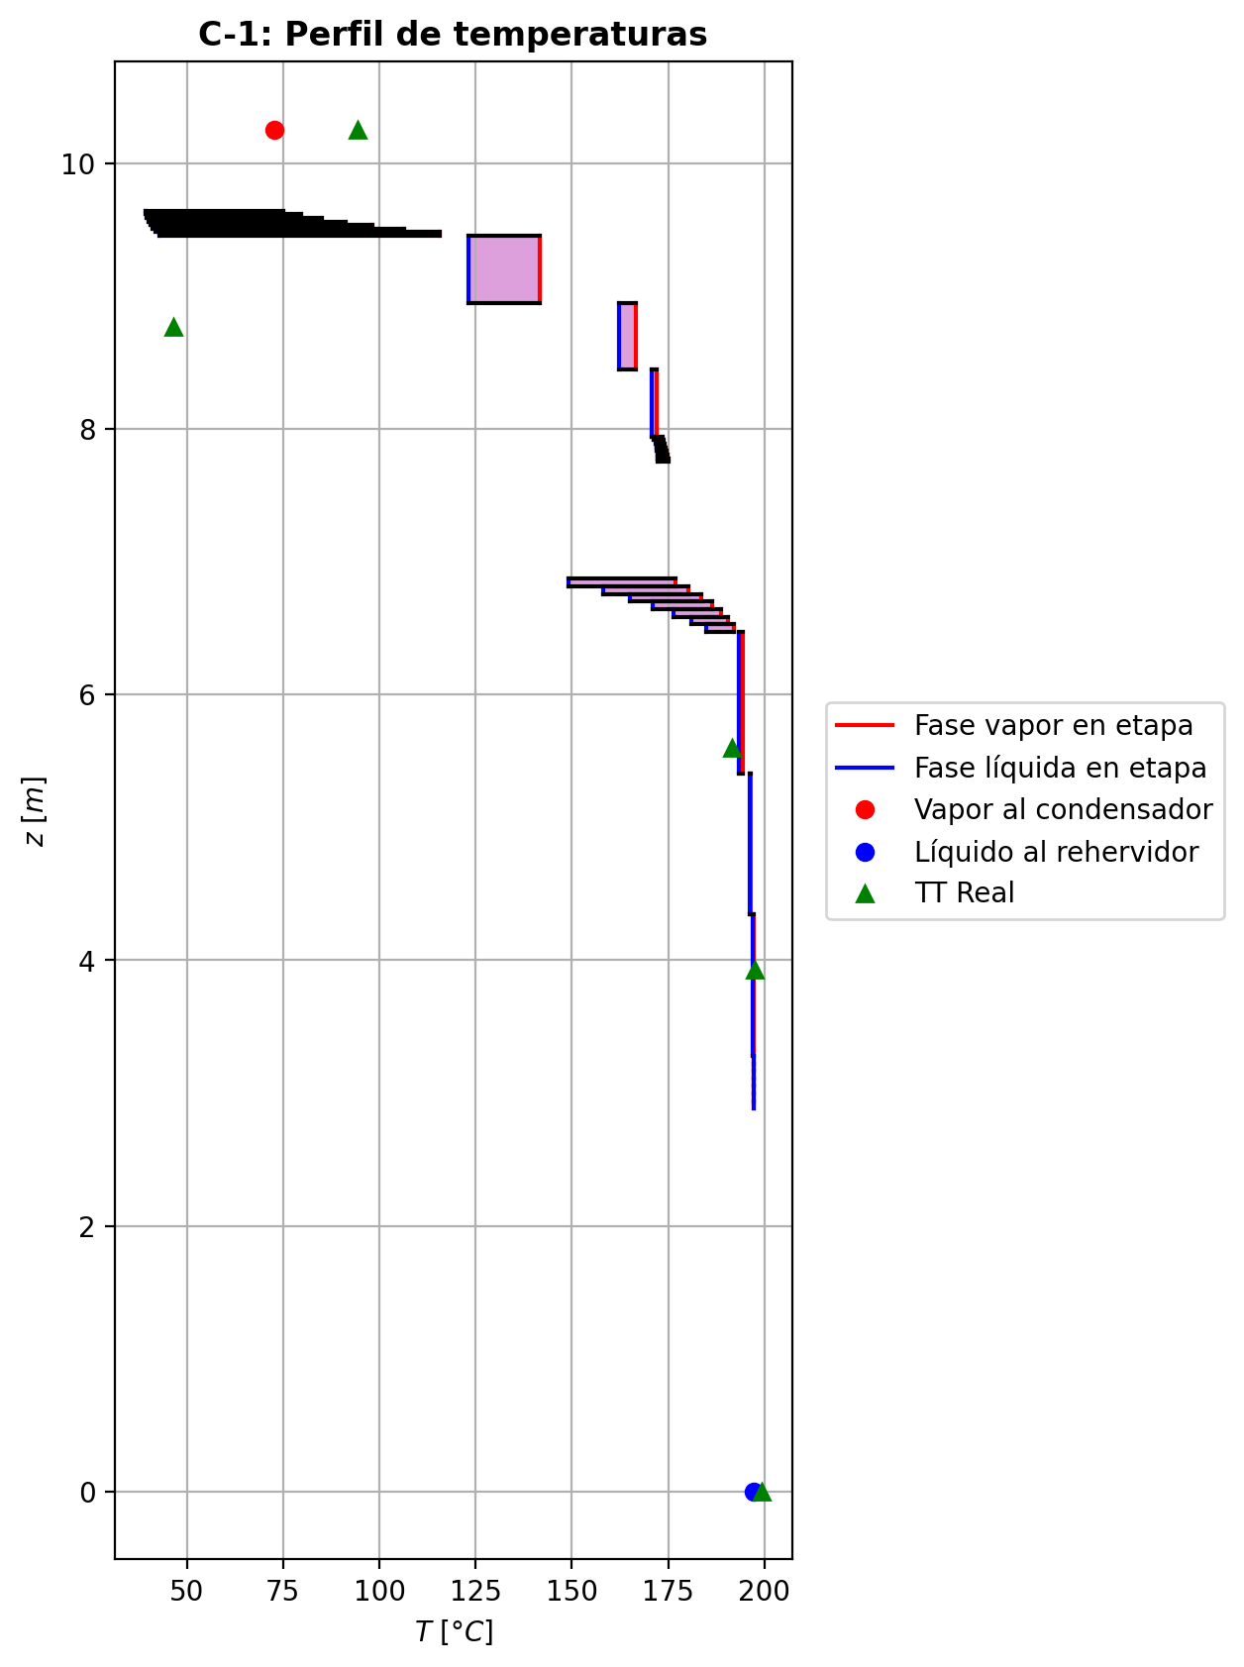
Agotamiento | 23 | 6.6426 | 6.5856 | - | - | 29.283226 | 67.4225076 | 29.43667515 | 67.4225076 | 3.70332624 | - | - | 0.228304321 | 0.2048103375 | 0.382802466 | 0.0708746667 | 0.0796473781 | 0.0796473781 | 5.1079639529 | 0.79637818586 | -1.32031357 | 1.62721192 | 0.30689835 | -1.3831695246 | 0.98063588048 | 0.062855954642 | -1.3447572189 | 1.1084463567 | 0.024443648921 | - | - | 187.668491 | 188.7292055 | 177.148917 | 176.399317 | 176.399317 | 67.33173996 | 10732.808916 | -331270.026 | 2623.07043 | -333893.097 | 29794.435 | -361064.461 | - | - | -192667.981 | -257587.309 | - | - | 14.6954728 |  |  |  |  |  |  |  |  | 0.418916088 | 46.8904104 | 0.41891609644 | 46.890410815 | 0.012536030628 | 7.741771344E-05 | 0.012536030267 | 7.7417709502E-05 | 47.108287551 | 82.897444844 | 0.13505351322 | 1.942758491 | 0.057937020454 | 0.47214062776 | 510877.15628 | 441.82180751 | 9.0407883873 | 0.617947657 | 7.2510486 | 0.61932327409 | 7.2510491676 | 630.21014259 | 179.20972587 | 633.2373003 | 179.2098638 | 0.0014973468753 | 0.0014973492287 | 5.7775156823E-05 | 5.779498526E-05 | 5.1079679867 | 0.79637877602 | 67.331794818 | 10732.817297 | 408.50954436 | 406.56317531 | -200774.04548 | -257618.64909 | 1.1114393526 | -39932.433379 | -237789.17664 | -64534.110138 | -274294.14593 | -334210.049 | -361129.4425 | 9.2605924067E-06 | -1.3319892879 | 0.33226759918 | -339686.41566 | 0.38233067886 | 0.070766869324 | 177.17920944
Agotamiento | 24 | 6.5856 | 6.5286 | - | - | 29.5901243 | 67.6934322 | 29.7255866 | 67.6934322 | 3.71532149 | - | - | 0.181316354 | 0.16150301 | 0.31026499 | 0.0551240798 | 0.0625740847 | 0.0625740847 | 5.1910623571 | 0.81018452544 | -1.13417139 | 1.405096 | 0.27092461 | -1.17792653 | 0.9831800292 | 0.043755139998 | -1.1511242495 | 1.0903306416 | 0.016952859493 | - | - | 189.78992 | 190.630703 | 181.609664 | 180.986055 | 180.986055 | 67.82899644 | 11018.813796 | -286545.346 | 2061.47789 | -288606.824 | 25529.5857 | -312074.932 | - | - | -201864.987 | -260789.371 | - | - | 14.6955197 |  |  |  |  |  |  |  |  | 0.417580836 | 47.0789842 | 0.41758084213 | 47.078984601 | 0.012643266456 | 7.936777908E-05 | 0.012643266152 | 7.9367775454E-05 | 47.66237189 | 82.449326389 | 0.13385663431 | 2.020521529 | 0.058108141107 | 0.47405221528 | 508454.19865 | 447.58477865 | 9.0407589033 | 0.615424381 | 7.06645841 | 0.61637782526 | 7.0664589288 | 636.2889622 | 179.37225984 | 639.09555349 | 179.37239809 | 0.0015119386254 | 0.0015119410016 | 5.7774780041E-05 | 5.7794608296E-05 | 5.1910664789 | 0.81018513046 | 67.82905138 | 11018.822424 | 409.83272623 | 407.8976783 | -209265.97171 | -260820.5862 | 1.0932526027 | -39756.469141 | -237718.18043 | -64151.102812 | -273915.16584 | -288926.21458 | -312118.75842 | 9.4612931018E-06 | -1.1423259314 | 0.29176371904 | -293237.19573 | 0.30989387381 | 0.055047402166 | 181.63153663
Agotamiento | 25 | 6.5286 | 6.4716 | - | - | 29.8610489 | 67.9206356 | 29.9746506 | 67.9206356 | 3.72682179 | - | - | 0.141689666 | 0.125498053 | 0.246004192 | 0.0423505011 | 0.0484932486 | 0.0484932486 | 5.2615561058 | 0.82018915436 | -0.942162294 | 1.16936572 | 0.227203426 | -0.9706758816 | 0.98609286508 | 0.028513587598 | -0.95318012622 | 1.0740611146 | 0.01101783222 | - | - | 191.471486 | 192.119226 | 185.26627 | 184.765526 | 184.765526 | 68.336793 | 11267.455356 | -238753.553 | 1580.33841 | -240333.892 | 21027.1351 | -259780.688 | - | - | -209629.455 | -263432.181 | - | - | 14.6955668 |  |  |  |  |  |  |  |  | 0.416576166 | 47.2640217 | 0.41657617419 | 47.264022096 | 0.01272752424 | 8.090383824E-05 | 0.012727523898 | 8.0903834405E-05 | 48.296492573 | 82.074774589 | 0.13281572861 | 2.0915424226 | 0.05823106946 | 0.47623603612 | 506072.71444 | 452.42348749 | 9.0355897808 | 0.613231487 | 6.93160995 | 0.61385361999 | 6.93161047 | 641.92032762 | 179.28736751 | 644.36682738 | 179.28750558 | 0.0015244570121 | 0.0015244594011 | 5.7708732688E-05 | 5.7728538178E-05 | 5.2615602562 | 0.82018976609 | 68.33684854 | 11267.464181 | 411.10131074 | 409.17511189 | -216332.80257 | -263463.27384 | 1.0769028377 | -39578.142918 | -237664.56007 | -63826.258741 | -273605.03572 | -240627.75547 | -259809.65524 | 9.6294281139E-06 | -0.94727165256 | 0.24228488181 | -243490.62071 | 0.24574891908 | 0.042300151731 | 185.28035332
Agotamiento | 26 | 6.4716 | 5.4076 | - | - | 30.0882523 | 68.3906887 | 30.32327885 | 68.3906887 | 70.0863872 | - | - | 0.10930644 | 0.07106753605 | 0.0859497526 | 0.0139422234 | 0.0147394316 | 0.0147394316 | 5.3651095582 | 0.83447130518 | -2.28565239 | 2.75570541 | 0.47005302 | -2.3190578999 | 0.99849401982 | 0.033405509944 | -2.2925807043 | 1.0273439764 | 0.0069283143367 | - | - | 192.766966 | 194.3868705 | 193.403682 | 193.346613 | 193.346613 | 69.2306532 | 11896.750116 | -560224.213 | -3089.42769 | -557134.786 | 47584.5746 | -607808.788 | - | - | -215981.603 | -269813.124 | - | - | 14.6956139 |  |  |  |  |  |  |  |  | 0.415036446 | 47.8621183 | 0.41503645554 | 47.862118671 | 0.012856446504 | 8.402288616E-05 | 0.012856446115 | 8.4022882607E-05 | 49.688749716 | 81.129093006 | 0.13122861667 | 2.2952961364 | 0.058407877007 | 0.48480772394 | 500240.61184 | 459.3834606 | 8.9844293672 | 0.608300478 | 6.69713456 | 0.6099771378 | 6.6971349919 | 646.82583006 | 177.66435562 | 651.83494155 | 177.66449368 | 0.0015469669739 | 0.0015469694059 | 5.7057077393E-05 | 5.7076659398E-05 | 5.3651137708 | 0.83447193809 | 69.230709961 | 11896.759508 | 414.16856832 | 412.24293613 | -227023.88488 | -269843.82888 | 1.0279463802 | -39213.415529 | -237580.54744 | -63101.757659 | -272905.51292 | -565073.76296 | -607818.51516 | 0.00018398762658 | -2.2777459025 | 0.47230365519 | -559292.39835 | 0.085946882727 | 0.013941717884 | 193.40382492
Agotamiento | 27 | 5.4076 | 4.3436 | - | - | 30.5583054 | 68.5693394 | 30.64763075 | 68.5693394 | 70.3618462 | - | - | 0.0328286321 | 0.021191019395 | 0.0256800371 | 0.00410503696 | 0.00435318699 | 0.00435318699 | 5.4622099722 | 0.83908104622 | -0.709544725 | 0.888195438 | 0.178650713 | -0.71333051572 | 0.99943817955 | 0.0037857907241 | -0.71032242496 | 1.0085522969 | 0.00077769995959 | - | - | 196.006775 | 196.473959 | 196.178201 | 196.159934 | 196.159934 | 70.41872556 | 12128.526828 | -181999.377 | -849.37879 | -181149.999 | 15588.8563 | -197588.234 | - | - | -230992.298 | -271764.391 | - | - | 14.6964938 |  |  |  |  |  |  |  |  | 0.413692771 | 48.0730452 | 0.41369277938 | 48.073045619 | 0.012974941908 | 8.501213412E-05 | 0.012974941557 | 8.5012130316E-05 | 51.78841444 | 80.855290376 | 0.12975670541 | 2.3696384848 | 0.058558975185 | 0.48759069263 | 497563.47622 | 465.80527954 | 8.9683751995 | 0.605922237 | 6.62422653 | 0.60627887765 | 6.6242269779 | 656.91934062 | 177.21239797 | 658.90580246 | 177.21253512 | 0.0015574511751 | 0.001557453615 | 5.6853350305E-05 | 5.6872862463E-05 | 5.4622142892 | 0.83908167964 | 70.418783624 | 12128.536379 | 415.79636602 | 413.89103434 | -236833.46731 | -271794.96274 | 1.0087637169 | -38705.303226 | -237493.47739 | -62859.741339 | -272677.76867 | -183477.47944 | -197589.3523 | 0.00018815093098 | -0.70661532654 | 0.17862417611 | -181430.25845 | 0.025679655632 | 0.0041049747648 | 196.17822438
Agotamiento | 28 | 4.3436 | 3.2796 | - | - | 30.7369561 | 68.620891 | 30.7627319 | 68.620891 | 70.4529095 | - | - | 0.00955340669 | 0.006099422975 | 0.00742775873 | 0.00118336172 | 0.00125765841 | 0.00125765841 | 5.4944221271 | 0.84023038139 | -0.212193515 | 0.263745136 | 0.051551621 | -0.21250795014 | 0.99983891447 | 0.00031443514153 | -0.21225834933 | 1.0025120179 | 6.48343297E-05 | - | - | 196.941143 | 197.090903 | 196.994702 | 196.989354 | 196.989354 | 70.93329588 | 12199.897152 | -53979.198 | -267.655066 | -53711.5429 | 4596.88143 | -58576.0794 | - | - | -235570.905 | -272346.857 | - | - | 14.6973751 |  |  |  |  |  |  |  |  | 0.413348464 | 48.1402582 | 0.41334847207 | 48.140258542 | 0.013009522536 | 8.529413976E-05 | 0.013009522199 | 8.5294136396E-05 | 52.695919348 | 80.773077732 | 0.12930248825 | 2.3931413554 | 0.058600357861 | 0.48849673051 | 496752.54157 | 467.94413115 | 8.9625868119 | 0.604964539 | 6.6042405 | 0.60509892978 | 6.6042408982 | 660.89873458 | 177.04665601 | 661.45917861 | 177.04679379 | 0.0015604229271 | 0.0015604253792 | 5.6779985234E-05 | 5.679947215E-05 | 5.4944264945 | 0.84023101996 | 70.933354588 | 12199.90675 | 416.33449558 | 414.43506414 | -239805.8693 | -272377.38736 | 1.002578564 | -38496.675551 | -237463.76743 | -62789.542337 | -272610.74044 | -54461.168734 | -58576.223118 | 0.00018954992213 | -0.21125337684 | 0.051509094585 | -53785.482461 | 0.0074277275795 | 0.0011833567371 | 196.99470919
Agotamiento | 29 | 3.2796 | 3.2226 | - | - | 30.7885077 | 68.6296988 | 30.7929116 | 68.6296988 | 3.7751524 | - | - | 0.00264543926 | 0.00227908411 | 0.00490851891 | 0.000781691644 | 0.000929035563 | 0.000929035563 | 5.5025963229 | 0.84052268052 | -0.0225422099 | 0.0313500115 | 0.0088078016 | -0.022562283621 | 0.99948703125 | 2.0073720671E-05 | -0.022550392661 | 1.001786727 | 8.1827609182E-06 | - | - | 197.240663 | 197.252637 | 197.108986 | 197.096142 | 197.096142 | 71.07688908 | 12208.848912 | -6538.88643 | 35.332275 | -6574.2187 | 591.976746 | -7130.86317 | - | - | -236929.695 | -272407.182 | - | - | 14.698257 |  |  |  |  |  |  |  |  | 0.413277101 | 48.1462751 | 0.41327711039 | 48.146275482 | 0.01301801886 | 8.533517868E-05 | 0.013018018457 | 8.5335174884E-05 | 52.951332634 | 80.766092665 | 0.12918941192 | 2.3956321998 | 0.058611434054 | 0.48854914795 | 496612.09269 | 468.484087 | 8.9626169834 | 0.604795857 | 6.60082913 | 0.60479640572 | 6.6008295609 | 662.01918086 | 177.05356379 | 662.12126036 | 177.0537009 | 0.0015610978832 | 0.0015611003318 | 5.6780367617E-05 | 5.6799854568E-05 | 5.5026006549 | 0.84052331457 | 71.076947809 | 12208.858498 | 416.43260326 | 414.53512635 | -240558.48545 | -272437.71075 | 1.001908385 | -38438.344764 | -237455.54871 | -62779.638071 | -272602.11496 | -6577.7489468 | -7130.8876601 | 1.0174272271E-05 | -0.022448676478 | 0.0087968515549 | -6518.1691439 | 0.0049082520857 | 0.00078164910026 | 197.10900392
Agotamiento | 30 | 3.2226 | 3.1656 | - | - | 30.7973155 | 68.6336643 | 30.79929825 | 68.6336643 | 3.77547879 | - | - | 0.00191272896 | 0.001639171575 | 0.00360172756 | 0.000573459884 | 0.000683559306 | 0.000683559306 | 5.5041588092 | 0.84059033006 | -0.0168442509 | 0.0208097283 | 0.0039654774 | -0.016850750998 | 0.99976913022 | 6.5000978354E-06 | -0.016846961539 | 1.0013063956 | 2.7106389795E-06 | - | - | 197.264611 | 197.2734935 | 197.166873 | 197.159284 | 197.159284 | 71.10593028 | 12214.4634 | -4265.26245 | 26.2387024 | -4291.50115 | 350.004308 | -4615.26676 | - | - | -237074.255 | -272453.588 | - | - | 14.6983042 |  |  |  |  |  |  |  |  | 0.413270583 | 48.151867 | 0.41327059137 | 48.151867383 | 0.013019173524 | 8.53557804E-05 | 0.01301917319 | 8.5355777018E-05 | 52.99872115 | 80.759334535 | 0.12916825248 | 2.3975352968 | 0.05861241688 | 0.48862863399 | 496554.35446 | 468.58864515 | 8.9620939599 | 0.604741119 | 6.59945457 | 0.60474128841 | 6.5994549649 | 662.22226239 | 177.0373659 | 662.27065055 | 177.03750351 | 0.0015612994446 | 0.0015613019 | 5.677374058E-05 | 5.6793225524E-05 | 5.5041631621 | 0.84059096873 | 71.105989303 | 12214.47302 | 416.46860695 | 414.57123193 | -240684.81071 | -272484.11361 | 1.0014061974 | -38428.110207 | -237454.46785 | -62774.438926 | -272597.0149 | -4294.0702296 | -4615.2814161 | 1.0177901072E-05 | -0.016770789784 | 0.0039623970943 | -4250.2277474 | 0.0036016608851 | 0.00057344926005 | 197.16688225
Agotamiento | 31 | 3.1656 | 3.1086 | - | - | 30.801281 | 68.6363522 | 30.8026249 | 68.6363522 | 3.77569571 | - | - | 0.00136561419 | 0.001161404893 | 0.0026261837 | 0.000418069986 | 0.000500287906 | 0.000500287906 | 5.5050615414 | 0.84062458137 | -0.012577243 | 0.0152651247 | 0.0026878817 | -0.012580364719 | 0.9998435431 | 3.1217189582E-06 | -0.012578587715 | 1.0009547044 | 1.3447147073E-06 | - | - | 197.282376 | 197.288947 | 197.210091 | 197.204641 | 197.204641 | 71.1244386 | 12218.546592 | -3120.2572 | 19.4116398 | -3139.66884 | 251.421645 | -3371.67884 | - | - | -237182.21 | -272488.379 | - | - | 14.6983515 |  |  |  |  |  |  |  |  | 0.413266282 | 48.1561657 | 0.4132662917 | 48.156166132 | 0.013020018264 | 8.537007312E-05 | 0.013020017894 | 8.5370069639E-05 | 53.034463269 | 80.754123119 | 0.12915241668 | 2.3989629807 | 0.058613132975 | 0.48869237792 | 496516.26022 | 468.64413346 | 8.9616448932 | 0.604700038 | 6.59855525 | 0.60469994075 | 6.5985556777 | 662.31795633 | 177.0229796 | 662.35138905 | 177.02311696 | 0.0015614177874 | 0.0015614202383 | 5.6768051171E-05 | 5.6787534151E-05 | 5.5050658749 | 0.84062521693 | 71.124497527 | 12218.556199 | 416.49253514 | 414.59526129 | -240779.13583 | -272518.90212 | 1.0010303106 | -38420.409064 | -237453.66437 | -62770.794864 | -272593.35155 | -3141.5369762 | -3371.6879634 | 1.0179807839E-05 | -0.01252163255 | 0.002687657118 | -3109.3374319 | 0.0026261530245 | 0.00041806509998 | 197.21009837
Agotamiento | 32 | 3.1086 | 3.0516 | - | - | 30.8039688 | 68.6383397 | 30.8049626 | 68.6383397 | 3.7758549 | - | - | 0.000957195596 | 0.00080477659 | 0.00189793922 | 0.000302103541 | 0.000363485087 | 0.000363485087 | 5.5057030772 | 0.84064856498 | -0.00938892405 | 0.0113765119 | 0.00198758785 | -0.0093905236142 | 0.99988432764 | 1.5995641722E-06 | -0.0093896465085 | 1.0006925621 | 7.2245854258E-07 | - | - | 197.295518 | 197.300359 | 197.242372 | 197.238326 | 197.238326 | 71.13802608 | 12221.588232 | -2325.08252 | 14.2754966 | -2339.35802 | 186.717356 | -2511.79988 | - | - | -237262.808 | -272514.363 | - | - | 14.6983987 |  |  |  |  |  |  |  |  | 0.413263632 | 48.1593898 | 0.41326363994 | 48.159390196 | 0.013020631164 | 8.53806312E-05 | 0.013020630831 | 8.5380627761E-05 | 53.061395292 | 80.750217188 | 0.12914055709 | 2.4000306269 | 0.058613649676 | 0.4887404256 | 496488.27708 | 468.68270756 | 8.9613044343 | 0.604669202 | 6.5978969 | 0.60466889753 | 6.5978973141 | 662.38373854 | 177.01202598 | 662.40873066 | 177.01216318 | 0.0015615033628 | 0.001561505812 | 5.6763738289E-05 | 5.678321944E-05 | 5.5057074279 | 0.8406491985 | 71.138085007 | 12221.597856 | 416.5100952 | 414.61290001 | -240849.5527 | -272544.88401 | 1.00074919 | -38414.622977 | -237453.07028 | -62768.098395 | -272590.63105 | -2340.7157022 | -2511.8056494 | 1.0181137055E-05 | -0.009347088213 | 0.0019883141929 | -2317.0582631 | 0.0018979224938 | 0.00030210087782 | 197.24237869
Agotamiento | 33 | 3.0516 | 2.9946 | - | - | 30.8059564 | 68.6398333 | 30.8067032 | 68.6398333 | 3.77597355 | - | - | 0.000652357584 | 0.0005386057305 | 0.00135437401 | 0.000215563349 | 0.000261381435 | 0.000261381435 | 5.5061746105 | 0.84066656526 | -0.00700783477 | 0.00850137716 | 0.00149354239 | -0.0070086392005 | 0.9999130869 | 8.0443049E-07 | -0.0070082251543 | 1.0004967758 | 3.9038425313E-07 | - | - | 197.3052 | 197.3087385 | 197.266494 | 197.263474 | 197.263474 | 71.1482436 | 12223.86246 | -1738.12074 | 10.3983137 | -1748.51906 | 139.399664 | -1877.52041 | - | - | -237322.975 | -272533.756 | - | - | 14.698446 |  |  |  |  |  |  |  |  | 0.413262229 | 48.1617979 | 0.4132622377 | 48.161798316 | 0.013021070076 | 8.538851196E-05 | 0.013021069702 | 8.5388508146E-05 | 53.081694927 | 80.74730263 | 0.12913166202 | 2.4008283271 | 0.058614015773 | 0.48877629836 | 496467.35142 | 468.71078032 | 8.9610513554 | 0.604646037 | 6.59740547 | 0.60464554826 | 6.5974059201 | 662.43264214 | 177.0038742 | 662.45166002 | 177.00401118 | 0.001561567778 | 0.001561570222 | 5.6760532077E-05 | 5.6780012222E-05 | 5.5061789523 | 0.84066719845 | 71.148302283 | 12223.872053 | 416.52318334 | 414.62604675 | -240902.11649 | -272564.27529 | 1.000539072 | -38410.278913 | -237452.63443 | -62766.085567 | -272588.60011 | -1749.5015148 | -1877.5241422 | 1.0182111813E-05 | -0.0069764367468 | 0.0014964851271 | -1732.6551671 | 0.0013543645788 | 0.0002155618486 | 197.26650105
Agotamiento | 34 | 2.9946 | 2.9376 | - | - | 30.80745 | 68.6409627 | 30.8080147 | 68.6409627 | 3.77606221 | - | - | 0.000424853877 | 0.000339966074 | 0.000948697587 | 0.000150985978 | 0.000185182611 | 0.000185182611 | 5.5065218809 | 0.84068035995 | -0.00523006543 | 0.00635944751 | 0.00112938208 | -0.0052304493816 | 0.99993428953 | 3.8395159178E-07 | -0.0052302745719 | 1.0003505363 | 2.0914192239E-07 | - | - | 197.312277 | 197.3148295 | 197.28453 | 197.282273 | 197.282273 | 71.1559746 | 12225.56454 | -1301.03565 | 7.45522171 | -1308.49087 | 104.202281 | -1405.23793 | - | - | -237367.889 | -272548.226 | - | - | 14.6984932 |  |  |  |  |  |  |  |  | 0.413261785 | 48.1635943 | 0.41326179269 | 48.163594713 | 0.013021377696 | 8.539440948E-05 | 0.013021377362 | 8.5394405865E-05 | 53.097022149 | 80.745130396 | 0.12912497173 | 2.4014240561 | 0.058614266199 | 0.48880301042 | 496451.63424 | 468.73123898 | 8.9608645674 | 0.604628602 | 6.59703682 | 0.60462793139 | 6.5970372603 | 662.46959284 | 176.99785061 | 662.48422463 | 176.99798776 | 0.0015616168584 | 0.0015616193074 | 5.6758165733E-05 | 5.6777645153E-05 | 5.5065262491 | 0.84068099341 | 71.156033389 | 12225.574138 | 416.53296332 | 414.63586987 | -240941.35262 | -272578.74432 | 1.0003820949 | -38407.017561 | -237452.3186 | -62764.579611 | -272587.08195 | -1309.1943414 | -1405.2403815 | 1.0182830356E-05 | -0.005206538279 | 0.0011328885812 | -1297.241666 | 0.00094869219313 | 0.00015098511968 | 197.28453651
Agotamiento | 35 | 2.9376 | 2.8806 | 30.8086148 | - | 30.8085794 | 68.6418224 | 20.539339511 | 68.6418224 | 3.77612851 | 0.000128371433 | - | 0.000255078271 | 0.00039646346867 | 0.000645955293 | 0.000102799493 | 0.000128320077 | 0.000128320077 | 5.5067765739 | 0.84069108601 | -0.00390298877 | 0.00476275797 | 0.0008597692 | -0.0039033296371 | 1.8205772485 | 3.4086707928E-07 | -0.0039030990956 | 1.0002413349 | 1.1032564995E-07 | 197.320982 | - | 197.317382 | 197.30983 | 197.298025 | 197.296337 | 197.296337 | 71.16185736 | 12226.839624 | -975.33937 | 5.2016593 | -980.541029 | 77.9548155 | -1053.29419 | -237426.45306 | - | -237401.417 | -272559.021 | 14.6985878 | - | 14.6985405 |  |  |  |  |  |  |  |  | 0.413262099 | 48.1649333 | 0.41326828678 | 48.164933679 | 0.013021585524 | 8.539883064E-05 | 0.013021048611 | 8.5398827106E-05 | 53.094804017 | 80.743512611 | 0.12912576331 | 2.4018688019 | 0.058613741314 | 0.48882286756 | 496439.79812 | 312.49267002 | 8.960727687 | 0.604615438 | 6.59675941 | 0.60463014828 | 6.5967598081 | 662.49776838 | 176.9934269 | 441.67299878 | 176.99356454 | 0.0015616546458 | 0.0015616570973 | 5.6756431772E-05 | 5.6775910568E-05 | 3.6710693484 | 0.84069172324 | 47.438605816 | 12226.84923 | 416.5402768 | 390.96753049 | -240930.33446 | -272589.53885 | 1.0002648587 | -38407.791836 | -237452.59023 | -62763.451126 | -272585.94619 | -981.0240364 | -1053.2958428 | 5.3641409985E-06 | -0.0017849492725 | -0.0030012910423 | 359.97254415 | 0.00072819098193 | 0.00011588869799 | 197.29440753

Exportar_resultados_ACM



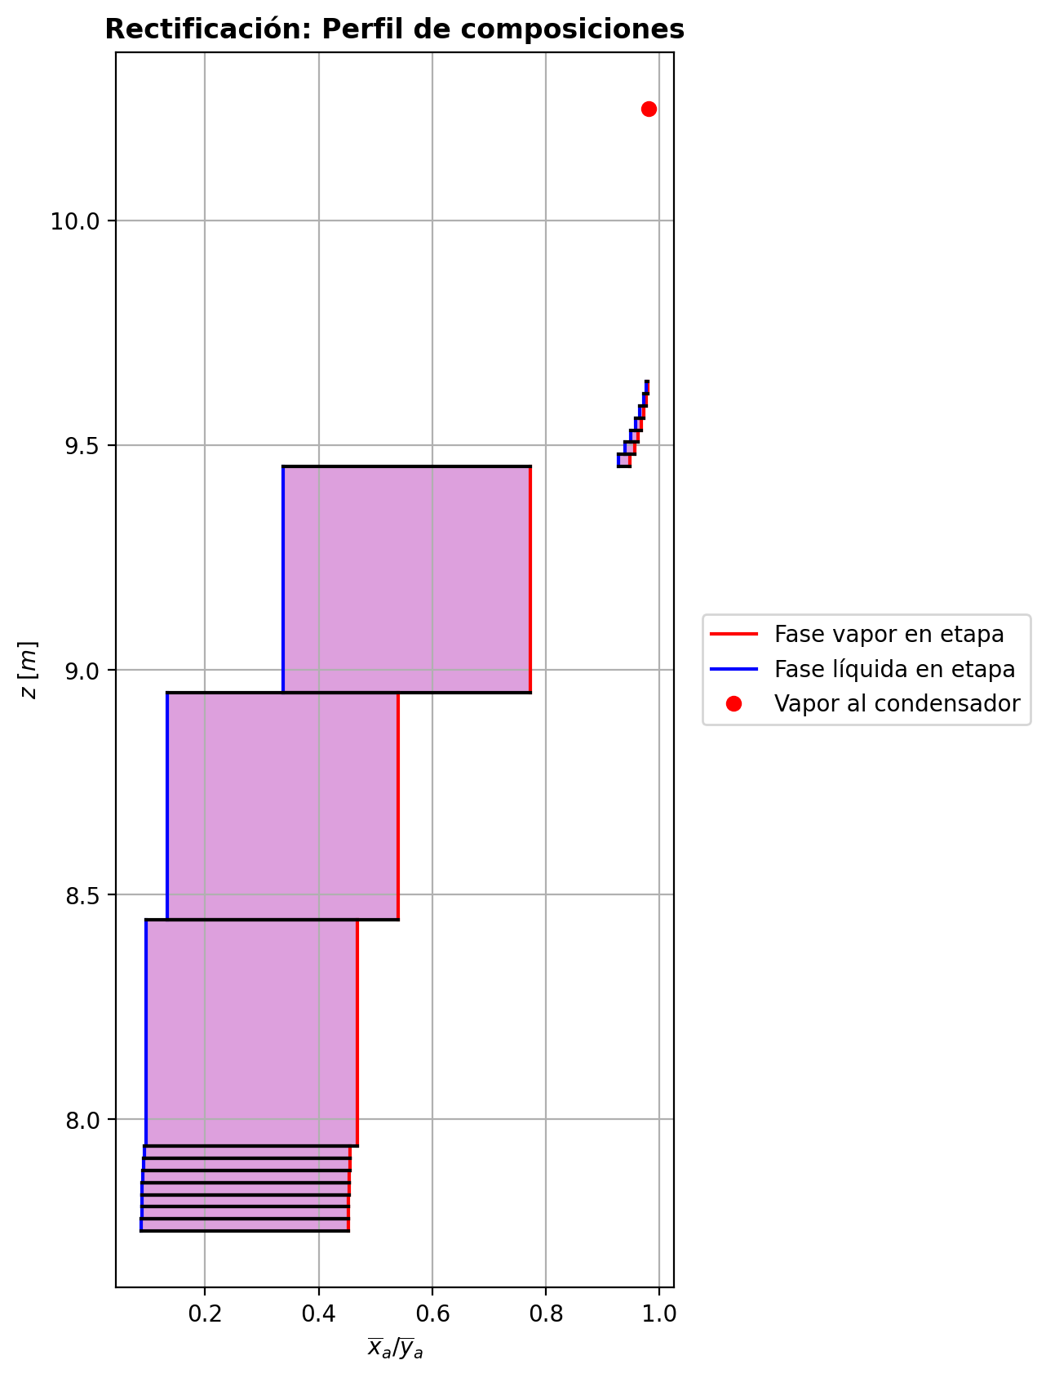

$${\left[N_{t}=N_{a}+N_{w} \right]}_{2}$$
$${\left[N_{t}=N_{a}+N_{w} \right]}_{ps1+ps2−3}$$
$$F_{fría}^{l}+F_{caliente}^{l}=P_{fría}^{l}+P_{caliente}^{l}$$
$${\left[J_{a}^{g}=Γ^{g,b}ρ^{g,b}k_{bm}^{g}a_{ef}A_{tr}Z\left(y_{a}^{b}−y_{a}^{I}\right)\right]}_{2}$$
$${\left(N_{t}\right)}_{2}=V_{3}−V_{2}=L_{2}−{\left(L_{1}−P^{l}\right)}_{E−3}$$
$${\left[J_{a}^{g}=Γ^{g,b}ρ^{g,b}k_{bm}^{g}a_{ef}A_{tr}Z\left(y_{a}^{b}−y_{a}^{I}\right)\right]}_{s}$$
$${\left[N_{t}=N_{a}+N_{w} \right]}_{s}$$
$${\left[J_{a}^{g}=Γ^{g,b}ρ^{g,b}k_{bm}^{g}a_{ef}A_{tr}Z\left(y_{a}^{b}−y_{a}^{I}\right)\right]}_{ps1+ps2−3}$$
Caso | 33 |  |  | Economizador E-1 |  |  |  |  |  |  |  |  | Condensador E-3 (s=1) |  |  |  |  |  |  |  |  | s=2 |  |  |  |  |  |  |  |  |  |  |  |  |  |  | s={3,…,ps1+ps2-4} |  |  |  |  |  |  |  |  |  |  |  |  |  |  |  | s=ps1+ps2-3 |  |  |  |  |  |  |  |  |  |  |  |  |  |  | Rehervidor E-2 (s=ps1+ps2-2)
ps1 | 19 |  | Representación y balances |  |  |  |  |  |  |  |  |  |  |  |  |  |  |  |  |  |  | Atr [m2] | 0.159043 |  |  |  |  |  |  |  |  |  |  |  |  |  | s |  | Atr [m2] | 0.159043 |  |  |  |  |  |  |  |  |  |  |  |  | Atr [m2] | 0.159043
ps2 | 19 |  |  | Pl [kmol/h]= | 37.824667653 | Fl [kmol/h]= | 48.062545973 | Balance de Masa Total [kmol/h] |  |  |  |  | V2 [kmol/h]= | 36.827508352 | Pl Fría [kmol/h]= | 6923.5894357 | Balance de Masa Total [kmol/h] |  |  |  |  |  | V2 [kmol/h]= | 36.827508352 |  |  | L1-Pl en E-3 [kmol/h]= | 26.589630031 |  | Balance de Masa Total [kmol/h] |  |  |  |  |  |  |  |  | Vs [kmol/h]= | #VALUE! |  |  | Ls-1 [kmol/h]= | #VALUE! |  | Balance de Masa Total [kmol/h] |  |  |  |  |  |  |  |  | Vps1+ps2-3 [kmol/h]= | 30.44899036 |  |  | Lps1+ps2-4 [kmol/h]= | 68.273658013 |  | Balance de Masa Total [kmol/h] |  |  |  |  |  | Lps1+ps2-3 [kmol/h]= | 68.272806713 |  |  |  |  | Balance de Masa Total [kmol/h]
$$V_{2}=L_{1}$$
$${\left[J_{a}^{l}=Γ^{l,b}ρ^{l,b}k_{bm}^{l}a_{ef}A_{tr}Z\left(x_{a}^{I}−x_{a}^{b}\right)\right]}_{2}$$
$${\left[J_{a}^{l}=Γ^{l,b}ρ^{l,b}k_{bm}^{l}a_{ef}A_{tr}Z\left(x_{a}^{I}−x_{a}^{b}\right)\right]}_{s}$$
$${\left(N_{t}\right)}_{s}=V_{s+1}−V_{s}=L_{s}−L_{s−1}−F_{s}^{l}$$
$${\left[J_{a}^{l}=Γ^{l,b}ρ^{l,b}k_{bm}^{l}a_{ef}A_{tr}Z\left(x_{a}^{I}−x_{a}^{b}\right)\right]}_{ps1+ps2−3}$$
$${\left(N_{t}\right)}_{ps1+ps2−3}=−V_{ps1+ps2−3}+F_{ps1+ps2−3}^{g}=L_{ps1+ps2−3}−L_{ps1+ps2−4}−F_{ps1+ps2−3}^{l}$$
$$L_{ps1+ps2−3}=P_{ps1+ps2−2}^{g}+P_{ps1+ps2−2}^{l}$$
flowmode1 | VPLUG |  |  | T [°C]= | 60.976855844 | T [°C]= | 20 |  |  |  |  |  | T [°C]= | 74.342556867 | T [°C]= | 31.50889842 |  |  |  |  |  |  | T [°C]= | 74.342556867 |  |  | T [°C]= | 38.782269379 |  |  |  |  |  |  |  |  |  |  | T [°C]= | #VALUE! |  |  | T [°C]= | #VALUE! |  |  |  |  |  |  |  |  |  |  | T [°C]= | 197.35372931 |  |  | T [°C]= | 197.27098879 |  |  |  |  |  |  |  | T [°C]= | 197.28442995 |  |  | Pg [kmol/h]= | 30.44813906
$$F_{fría}^{l}=P_{fría}^{l}$$
$${\left[Q^{g}=k_{h}^{g}a_{ef}A_{tr}Z\left(T^{g,b}−T^{I}\right)\right]}_{2}$$
$${\left[Q^{g}=k_{h}^{g}a_{ef}A_{tr}Z\left(T^{g,b}−T^{I}\right)\right]}_{s}$$
$${\left[Q^{g}=k_{h}^{g}a_{ef}A_{tr}Z\left(T^{g,b}−T^{I}\right)\right]}_{ps1+ps2−3}$$
$${f_{v}\left(L−P^{l}\right)}_{ps1+ps2−2}=P_{ps1+ps2−2}^{g}$$
flowmode2 | VPLUG |  |  | P [bar]= | 14.817157771 | P [bar]= | 18.6326 |  | 85.887213626 | = | 85.887213626 |  | P [bar]= | 14.6937395 | P [bar]= | 3.43233 |  |  |  |  |  |  | P [bar]= | 14.6937395 |  |  | P [bar]= | 14.6937395 |  |  | -0.49237617721 | = | -0.49237617721 | = | -0.49237617721 |  |  |  | P [bar]= | #VALUE! |  |  | P [bar]= | #VALUE! |  |  | #VALUE! | = |  | = | #VALUE! |  |  |  | P [bar]= | 14.694576225 |  |  | P [bar]= | 14.694566246 |  |  | -0.0008512996674 | = | -0.0008512996674 | = | -0.00085129966742 | P [bar]= | 14.694576225 |  |  | T [°C]= | 197.70087544
$${\left[Q^{l}=k_{h}^{l}a_{ef}A_{tr}Z\left(T^{I}−T^{l,b}\right)\right]}_{2}$$
$${\left[Q^{l}=k_{h}^{l}a_{ef}A_{tr}Z\left(T^{I}−T^{l,b}\right)\right]}_{s}$$
$${\left[Q^{l}=k_{h}^{l}a_{ef}A_{tr}Z\left(T^{I}−T^{l,b}\right)\right]}_{ps1+ps2−3}$$
simtype | 1 |  |  | xa molar= | 0.00012476560157 | xa molar= | 0.209146 |  |  |  |  |  | ya molar= | 0.98139181856 | xa molar= | 0 |  | 36.827508352 | = | 36.827508352 |  | z top [m]= | ya molar= | 0.98139181856 |  |  | xa molar= | 0.98139181856 |  |  |  |  |  |  |  |  |  | z top [m]= | ya molar= | #VALUE! |  |  | xa molar= | #VALUE! |  |  |  |  |  |  |  |  |  | z top [m]= | ya molar= | 0.00024753157445 |  |  | xa molar= | 0.00017951731744 |  |  |  |  |  |  |  | xa molar= | 0.00012476560157 |  |  | P [bar]= | 14.817157771 |  | 68.272806713 | = | 68.272806713
$${\left(N_{a}\right)}_{ps1+ps2−3}=−{\left(Vy_{a}\right)}_{ps1+ps2−3}+{\left(F^{g}y_{a}\right)}_{ps1+ps2−3}={\left(Lx_{a}\right)}_{ps1+ps2−3}−{\left(Lx_{a}\right)}_{ps1+ps2−4}−{\left(F^{l}x_{a}\right)}_{ps1+ps2−3}$$
pborde1 | 0.1 |  |  | h [kJ/kmol]= | -283074.63685 | h [kJ/kmol]= | -243616.70254 | Balance de Masa Amoníaco [kmol/h] |  |  |  |  | h [kJ/kmol]= | -48801.021206 | h [kJ/kmol]= | -285336.27078 |  | 6923.5894357 | = | 6923.5894357 |  | 9.6416 | h [kJ/kmol]= | -48801.021206 |  |  | h [kJ/kmol]= | -70157.78927 |  | Balance de Masa Amoníaco [kmol/h] |  |  |  |  |  |  |  | #VALUE! | h [kJ/kmol]= | #VALUE! |  |  | h [kJ/kmol]= | #VALUE! |  | Balance de Masa Amoníaco [kmol/h] |  |  |  |  |  |  |  | 2.9376 | h [kJ/kmol]= | -237400.46016 |  |  | h [kJ/kmol]= | -272550.32936 |  | Balance de Masa Amoníaco [kmol/h] |  |  |  |  |  | h [kJ/kmol]= | -272560.73206 |  |  | ya molar= | 0.00012476560157 |  | 30.44813906 | = | 30.44813906
$${\left(F^{l}x_{a,F}\right)}_{fría}+{\left(F^{l}x_{a,F}\right)}_{caliente}={\left(P^{l}x_{a,P}\right)}_{fría}+{\left(P^{l}x_{a,P}\right)}_{caliente}$$
$${\left(N_{a}\right)}_{2}={\left(Vy_{a}\right)}_{3}−{\left(Vy_{a}\right)}_{2}={\left(Lx_{a}\right)}_{2}−{\left[\left(L_{1}−P^{l}\right)x_{a}\right]}_{E−3}$$
$${\left(N_{a}\right)}_{s}={\left(Vy_{a}\right)}_{s+1}−{\left(Vy_{a}\right)}_{s}={\left(Lx_{a}\right)}_{s}−{\left(Lx_{a}\right)}_{s−1}−{\left(F^{l}x_{a}\right)}_{s}$$
nborde1 | 7 |  |  |  |  |  |  |  |  |  |  |  |  |  |  |  |  |  |  |  |  |  |  |  | TI [°C]= | 39.410361679 |  |  |  |  |  |  |  |  |  |  | NO APLICA |  |  |  | TI [°C]= | #VALUE! |  |  |  |  |  |  |  |  |  |  | NO APLICA |  |  |  | TI [°C]= | 197.28605254 |  |  |  |  |  |  |  |  |  |  |  |  |  | h [kJ/kmol]= | -237422.803
$${\left(N_{a}\right)}_{2}={\left(J_{a}^{g}\right)}_{2}+{\left(N_{t}y_{a}^{b}\right)}_{2}={\left(J_{a}^{l}\right)}_{2}+{\left(N_{t}x_{a}^{b}\right)}_{2}$$
$${\left(N_{a}\right)}_{s}={\left(J_{a}^{g}\right)}_{s}+{\left(N_{t}y_{a}^{b}\right)}_{s}={\left(J_{a}^{l}\right)}_{s}+{\left(N_{t}x_{a}^{b}\right)}_{s}$$
$${\left(N_{a}\right)}_{ps1+ps2−3}={\left(J_{a}^{g}\right)}_{ps1+ps2−3}+{\left(N_{t}y_{a}^{b}\right)}_{ps1+ps2−3}={\left(J_{a}^{l}\right)}_{ps1+ps2−3}+{\left(N_{t}x_{a}^{b}\right)}_{ps1+ps2−3}$$
pborde2 | 0.1 |  |  |  |  |  |  |  | 10.056808458 | = | 10.056808458 |  |  |  |  |  | Balance de Masa Amoníaco [kmol/h] |  |  |  |  |  | V2b [kmol/h]= | 36.581320263 | yaI molar= | 0.99993663349 | L2b [kmol/h]= | 26.097253854 |  |  |  |  |  |  |  |  | Fl Alimentación [kmol/h]= | #VALUE! | Vsb [kmol/h]= | #VALUE! | yaI molar= | #VALUE! | Lsb [kmol/h]= | #VALUE! |  |  |  |  |  |  |  |  | Fl Alimentación [kmol/h]= | - | Vps1+ps2-3b [kmol/h]= | 30.44856471 | yaI molar= | 0.00062877406126 | Lps1+ps2-3b [kmol/h]= | 68.272806713 |  |  |  |  |  |  |  |  |  |  |  |  |  | Balance de Masa Amoníaco [kmol/h]
$${\left(Vy_{a}\right)}_{2}={\left(Lx_{a}\right)}_{1}$$
$${\left(Lx_{a}\right)}_{ps1+ps2−3}={\left(P^{g}y_{a}\right)}_{ps1+ps2−2}+{\left(P^{l}y_{a}\right)}_{ps1+ps2−2}$$
nborde2 | 7 |  |  | Q̇ [kJ/h]= |  |  |  |  |  |  |  |  | Q̇ [kJ/h]= |  |  |  |  |  |  |  |  |  | Tg,b [°C]= | 76.539570672 | xaI molar= | 0.96714165211 | Tl,b [°C]= | 39.281460562 |  |  | -0.59795513443 | = | -0.59795513443 | = | -0.59795513443 |  | T [°C]= | #VALUE! | Tg,b [°C]= | #VALUE! | xaI molar= | #VALUE! | Tl,b [°C]= | #VALUE! |  |  | #VALUE! | = |  | = | #VALUE! |  | T [°C]= | - | Tg,b [°C]= | 197.52730238 | xaI molar= | 0.00010005575022 | Tl,b [°C]= | 197.28442995 |  |  | -0.0037382061374 | = | -0.0037382061374 | = | -0.0037382061374
$$\dot{Q}={{\left(P^{l}h_{P}\right)}_{fría}−\left(F^{l}h_{F}\right)}_{fría}$$
$${\left(F^{l}x_{a,F}\right)}_{fría}={\left(P^{l}x_{a,P}\right)}_{fría}$$
$${\left[\left(L−P^{l}\right)x_{a}\right]}_{ps1+ps2−2}={\left(P^{g}y_{a}\right)}_{ps1+ps2−2}$$
Molar RR | 2.5971816816 |  |  | 397684.95445 |  |  |  | Balance de Energía [kJ/h] |  |  |  |  | 786516.55437 |  |  |  |  |  |  |  |  |  | P [bar]= | 14.6937395 | Na [kmol/h]= | -0.59795513443 | P [bar]= | 14.6937395 |  |  | -0.59795513443 | = | -0.59795513443 | = | -0.59795513443 |  | P [bar]= | #VALUE! | P [bar]= | #VALUE! | Na [kmol/h]= | #VALUE! | P [bar]= | #VALUE! |  |  | #VALUE! | = | #VALUE! | = | #VALUE! |  | P [bar]= | - | P [bar]= | 14.694576225 | Na [kmol/h]= | -0.0037382061374 | P [bar]= | 14.694576225 |  |  | -0.0037382061374 | = | -0.0037382061374 | = | -0.0037382061374
Molar fv Reboiler | 1 |  |  |  |  |  |  |  |  |  |  |  |  |  |  |  |  | 36.142215394 | = | 36.142215394 |  |  | yab molar= | 0.97981288963 | Nw [kmol/h]= | 0.10557895723 | xab molar= | 0.97699514207 |  |  |  |  |  |  |  |  | xa molar= | #VALUE! | yab molar= | #VALUE! | Nw [kmol/h]= | #VALUE! | xab molar= | #VALUE! |  |  |  |  |  |  |  |  | xa molar= | - | yab molar= | 0.00018614858801 | Nw [kmol/h]= | 0.00288690647 | xab molar= | 0.00012476560157 |  |  |  |  |  |  |  |  |  |  |  |  |  |  | 0.0085180978006 | = | 0.0085180978006
$$\dot{Q}={\left(F^{l}h_{F}\right)}_{caliente}−{\left(P^{l}h_{P}\right)}_{caliente}$$
$$E_{ps1+ps2−3}=−{\left(Vh\right)}_{ps1+ps2−3}+{\left(F^{g}h\right)}_{ps1+ps2−3}={\left(Lh\right)}_{ps1+ps2−3}−{\left(Lh\right)}_{ps1+ps2−4}−{\left(F^{l}h\right)}_{ps1+ps2−3}$$
Mass xa Distillate | 0.98033699016 |  |  |  |  |  |  |  |  |  |  |  | L1 [kmol/h]= | 36.827508352 | Fl Fría [kmol/h]= | 6923.5894357 |  | 0 | = | 0 |  |  |  |  | Nt [kmol/h]= | -0.49237617721 |  |  |  | Balance de Energía [kJ/h] |  |  |  |  |  |  | h [kJ/kmol]= | #VALUE! |  |  | Nt [kmol/h]= | #VALUE! |  |  |  | Balance de Energía [kJ/h] |  |  |  |  |  |  | h [kJ/kmol]= | - |  |  | Nt [kmol/h]= | -0.0008512996674 |  |  |  | Balance de Energía [kJ/h] |  |  |  |  |  |  |  |  |  |  |  |  | 0.0037988803866 | = | 0.0037988803866
$$\dot{Q}=n_{tb}UA_{ext}ΔT_{ln}$$
$$E_{2}={\left(Vh\right)}_{3}−{\left(Vh\right)}_{2}={\left(Lh\right)}_{2}−{\left[\left(L_{1}−P^{l}\right)h\right]}_{E−3}$$
$$E_{s}={\left(Vh\right)}_{s+1}−{\left(Vh\right)}_{s}={\left(Lh\right)}_{s}−{\left(Lh\right)}_{s−1}−{\left(F^{l}h\right)}_{s}$$
$$E_{ps1+ps2−3}={\left(Q^{g}\right)}_{ps1+ps2−3}+{\left(ΣN_{i}{\hat{h}}_{i}^{g,b}\right)}_{ps1+ps2−3}={\left(Q^{l}\right)}_{ps1+ps2−3}+{\left(ΣN_{i}{\hat{h}}_{i}^{l,b}\right)}_{ps1+ps2−3}$$
Mass xa Bottoms | 0.00011794640795 |  |  | Fl=Pl en E-2 [kmol/h]= | 37.824667653 | Pl=Fl Alimentación [kmol/h]= | 48.062545973 |  |  |  |  |  | T [°C]= | 38.782269379 | T [°C]= | 30 |  |  |  |  |  |  |  |  | E [kJ/h]= | 8768.1650169 |  |  |  |  |  |  |  |  |  |  |  |  |  |  | E [kJ/h]= | #VALUE! |  |  |  |  |  |  |  |  |  |  |  |  |  |  | E [kJ/h]= | -478.19910781
$$E_{2}={\left(Q^{g}\right)}_{2}+{\left(ΣN_{i}{\hat{h}}_{i}^{g,b}\right)}_{2}={\left(Q^{l}\right)}_{2}+{\left(ΣN_{i}{\hat{h}}_{i}^{l,b}\right)}_{2}$$
$$E_{s}={\left(Q^{g}\right)}_{s}+{\left(ΣN_{i}{\hat{h}}_{i}^{g,b}\right)}_{s}={\left(Q^{l}\right)}_{s}+{\left(ΣN_{i}{\hat{h}}_{i}^{l,b}\right)}_{s}$$
 |  |  |  | T [°C]= | 197.28328913 | T [°C]= | 117.72278965 |  | 397684.95445 | = | 397684.95445 |  | P [bar]= | 14.6937395 | P [bar]= | 3.43233 | Balance de Energía [kJ/h] |  |  |  |  | z lower [m]= | V3 [kmol/h]= | 36.335132174 |  |  | L2 [kmol/h]= | 26.097253854 |  |  |  |  |  |  |  |  |  | z lower [m]= | Vs+1 [kmol/h]= |  |  |  | Ls [kmol/h]= | #VALUE! |  |  |  |  |  |  |  |  |  | z lower [m]= |  |  | Fg=Pg en E-2 [kmol/h]= | 30.44813906 | Lps1+ps2-3 [kmol/h]= | 68.272806713 |  |  |  |  |  |  |  |  |  |  |  |  | Q̇ [kJ/h]= | Balance de Energía [kJ/h]
$$\dot{Q}={\left(Vh\right)}_{2}−{\left(Lh\right)}_{1}$$
$${\left(Lh\right)}_{ps1+ps2−3}={\left(P^{g}h\right)}_{ps1+ps2−2}+{\left(P^{l}h\right)}_{ps1+ps2−2}−\dot{Q}$$
 |  |  |  | P [bar]= | 14.817157771 | P [bar]= | 18.6326 |  | 397684.95445 | = | 397684.95445 |  | xa molar= | 0.98139181856 | xa molar= | 0 |  |  |  |  |  | 9.6146 | T [°C]= | 78.736584478 |  |  | T [°C]= | 39.281460562 |  |  | 8768.1650169 | = | 8768.1650168 | = | 8768.1650169 |  |  | #VALUE! | T [°C]= |  |  |  | T [°C]= | #VALUE! |  |  | #VALUE! | = |  | = | #VALUE! |  |  | 2.8806 |  |  | T [°C]= | 197.70087544 | T [°C]= | 197.28442995 |  |  | -478.19910781 | = | -478.19910781 | = | -478.19910781 |  |  |  |  |  | 1069884.5501
$$n_{tb}UA_{ext}ΔT_{ln}$$
$$\dot{Q}={{\left(P^{l}h_{P}\right)}_{fría}−\left(F^{l}h_{F}\right)}_{fría}$$
$$\dot{Q}={\left(P^{g}h\right)}_{ps1+ps2−2}−{\left[\left(L−P^{l}\right)h\right]}_{ps1+ps2−2}$$
 |  |  |  | xa molar= | 0.00012476560157 | xa molar= | 0.209146 |  |  | = | 397684.95445 |  | h [kJ/kmol]= | -70157.78927 | h [kJ/kmol]= | -285449.87031 |  |  |  |  |  |  | P [bar]= | 14.693742846 |  |  | P [bar]= | 14.6937395 |  |  | 8768.1650169 | = | 8768.1650168 | = | 8768.1650169 |  |  |  | P [bar]= |  |  |  | P [bar]= | #VALUE! |  |  | #VALUE! | = | #VALUE! | = | #VALUE! |  |  |  |  |  | P [bar]= | 14.817157771 | P [bar]= | 14.694576225 |  |  | -478.19910781 | = | -478.19910781 | = | -478.19910781
 |  |  |  | h [kJ/kmol]= | -272560.73206 | h [kJ/kmol]= | -235342.3811 |  |  |  |  |  |  |  |  |  |  | 786516.55437 | = | 786516.55426 |  | Z [m]= | ya molar= | 0.97823396071 |  |  | xa molar= | 0.97699514207 |  |  |  |  |  |  |  |  |  | Z [m]= | ya molar= |  |  |  | xa molar= | #VALUE! |  |  |  |  |  |  |  |  |  | Z [m]= |  |  | ya molar= | 0.00012476560157 | xa molar= | 0.00012476560157 |  |  |  |  |  |  |  |  |  |  |  |  |  |  | -18608486.177 | = | -18608486.177
 |  |  |  |  | Caliente | Fría |  | LV-1 | % Apertura | 0.148148 |  |  | L1-Pl [kmol/h]= | 26.589630031 | Pl [kmol/h]= | 10.23787832 |  | 786516.55437 | = | 786516.55437 |  | 0.027 | h [kJ/kmol]= | -49221.008538 |  |  | h [kJ/kmol]= | -71145.473998 |  |  |  |  |  |  |  |  |  | #VALUE! | h [kJ/kmol]= |  |  |  | h [kJ/kmol]= | #VALUE! |  |  |  |  |  |  |  |  |  | 0.057 |  |  | h [kJ/kmol]= | -237422.803 | h [kJ/kmol]= | -272560.73206 |  |  |  |  |  |  |  | Pl [kmol/h]= | 37.824667653 | Lps1+ps2-2-Pl [kmol/h]= | 30.44813906 |  |  |  | 1069884.5501 | = | 1069884.5501
 |  |  |  |  |  |  |  |  | q̇ [m3/h] | 0.69304121083 |  |  | T [°C]= | 38.782269379 | T [°C]= | 38.782269379 |  |  |  |  |  |  |  | Vapor |  |  | Líquido |  |  |  |  |  |  |  |  |  |  |  |  | Vapor |  |  | Líquido |  |  |  |  |  |  |  |  |  |  |  |  | Vapor |  |  | Líquido |  |  |  |  |  |  |  |  | T [°C]= | 197.28328913 | T [°C]= | 197.28328913
 |  |  |  |  | Factor de corrección F | 0.80444518904 |  |  |  |  |  |  | P [bar]= | 14.6937395 | P [bar]= | 14.6937395 | Relación |  |  |  |  | Transferencia de masa y calor |  |  |  |  |  |  |  |  |  |  |  |  |  |  |  | Transferencia de masa y calor |  |  |  |  |  |  |  |  |  |  |  |  |  |  |  | Transferencia de masa y calor |  |  |  |  |  |  |  |  |  |  |  |  |  | P [bar]= | 14.817157771 | P [bar]= | 14.817157771 |  |  | Relación
$$RR=\frac{L_{1}−{\left(P^{l}\right)}_{1}}{{\left(P^{l}\right)}_{1}}$$
$$f_{v}=\frac{P_{ps1+ps2−2}^{g}}{{\left(L−P^{l}\right)}_{ps1+ps2−2}}$$
 |  |  |  |  | ḣint [kJ/h·m2·K] | 9543.4506381 |  |  |  |  |  |  | xa molar= | 0.98139181856 | xa molar= | 0.98139181856 |  |  |  |  |  | Difusión |  | Convección |  | aef [m2/m3] | 516.85403847 | khg [kJ/h·m2·°C] | 92.713422137 |  |  |  |  |  |  |  |  | Difusión |  | Convección |  | aef [m2/m3] | #VALUE! | khg [kJ/h·m2·°C] | #VALUE! |  |  |  |  |  |  |  |  | Difusión |  | Convección |  | aef [m2/m3] | 414.27766457 | khg [kJ/h·m2·°C] | 70.272045821 |  |  |  |  |  |  | xa molar= | 0.00012476560157 | xa molar= | 0.00012476560157
 |  |  |  |  | ḣext [kJ/h·m2·K] | 1338.3259353 |  |  |  |  |  |  | h [kJ/kmol]= | -70157.78927 | h [kJ/kmol]= | -70157.78927 |  | 2.5971816816 | = | 2.5971816816 |  | Jag [kmol/h]= | -0.11551860946 | Ntyab [kmol/h]= | -0.48243652497 | kbmg [m/h] | 4.6380168959 | khl [kJ/h·m2·°C] | 3863.0784157 |  |  |  |  |  |  |  |  | Jag [kmol/h]= | #VALUE! | Ntyab [kmol/h]= | #VALUE! | kbmg [m/h] | #VALUE! | khl [kJ/h·m2·°C] | #VALUE! |  |  |  |  |  |  |  |  | Jag [kmol/h]= | -0.0037380476692 | Ntyab [kmol/h]= | -1.5846823106E-07 | kbmg [m/h] | 5.4466676041 | khl [kJ/h·m2·°C] | 12160.718407 |  |  |  |  |  |  | h [kJ/kmol]= | -272560.73206 | h [kJ/kmol]= | -272560.73206
 |  |  |  |  |  |  |  |  |  |  |  |  |  |  |  |  |  |  |  |  |  | Jal [kmol/h]= | -0.11690600123 | Ntxab [kmol/h]= | -0.4810491332 | kbml [m/h] | 0.15373403411 |  |  |  |  |  |  |  |  |  |  | Jal [kmol/h]= | #VALUE! | Ntxab [kmol/h]= | #VALUE! | kbml [m/h] | #VALUE! |  |  |  |  |  |  |  |  |  |  | Jal [kmol/h]= | -0.0037380999245 | Ntxab [kmol/h]= | -1.0621291512E-07 | kbml [m/h] | 0.83608205411 |  |  |  |  |  |  |  |  |  |  |  |  |  |  |  | 1 | = | 1
 |  |  |  |  |  |  |  |  |  |  |  |  |  | Factor de corrección F | 0.97760763258 |  | PV-2 | % Apertura | 0.240774 |  |  | Qg [kJ/h]= | 7640.1968078 | ΣNiĥig,b [kJ/h]= | 1127.968209 | Γg,b | 0.99999999999 |  |  |  |  |  |  |  |  |  |  | Qg [kJ/h]= | #VALUE! | ΣNiĥig,b [kJ/h]= | #VALUE! | Γg,b | #VALUE! |  |  |  |  |  |  |  |  |  |  | Qg [kJ/h]= | 63.669371941 | ΣNiĥig,b [kJ/h]= | -541.86847975 | Γg,b | 1 |  |  |  |  |  |  |  |  | Q̇ [kJ/h] mediante la suposición de estado cuasi-estacionario del aceite térmico= |  |  |  |  | 1098528.7078
$$\dot{Q}={\overline{L}}_{t66}\left[{\overline{h}}_{t66}\left(TT−6\right)−{\overline{h}}_{t66}\left(TT−7\right)\right]$$
 |  |  |  |  |  |  |  |  |  |  |  |  |  |  |  |  |  | q̇ [m3/h] | 125.32041148 |  |  | Ql [kJ/h]= | 1105.1887185 | ΣNiĥil,b [kJ/h]= | 7662.9762983 | Γl,b | 0.99971458078 |  |  |  |  |  |  |  |  |  |  | Ql [kJ/h]= | #VALUE! | ΣNiĥil,b [kJ/h]= | #VALUE! | Γl,b | #VALUE! |  |  |  |  |  |  |  |  |  |  | Ql [kJ/h]= | 74.105068367 | ΣNiĥil,b [kJ/h]= | -552.30417618 | Γl,b | 1.0002575392
 |  |  |  |  |  |  |  |  |  |  |  |  |  |  |  |  |  |  |  |  |  |  |  |  |  |  |  |  |  |  |  |  |  |  |  |  |  |  |  |  |  |  |  |  |  |  |  |  |  |  |  |  |  |  |  |  |  |  |  |  |  |  |  |  |  |  |  | TT-6 [°C]= | 230.0281 | FIC-1 [m3/h]= | 84.1997
Economizador |  |  |  |  |  |  |  |  |  |  |  |  |  |  |  |  |  |  |  |  |  |  |  |  |  |  |  |  |  |  |  |  |  |  |  |  |  |  |  |  |  |  |  |  |  |  |  |  |  |  |  |  |  |  |  |  |  |  |  |  |  |  |  |  |  |  |  | TT-7 [°C]= | 223.4826 | FIC-1 [kmol/h]= | 289.8264014
Ubicación | Flujos |  |  |  | Masa |  |  |  | Energía |  |  |  |  |  |  |  |  | Hidráulica
Equipo | Fl Fría [kmol/h] | Pl Fría [kmol/h] | Fl Caliente [kmol/h] | Pl Caliente [kmol/h] | xa molar en Fl Fría | xa molar en Pl Fría | xa molar en Fl Caliente | xa molar en Pl Caliente | Tl en Fl Fría [°C] | Tl en Pl Fría [°C] | Tl en Fl Caliente [°C] | Tl en Pl Caliente [°C] | Q̇ [kJ/h] | hl en Fl Fría [kJ/kmol] | hl en Pl Fría [kJ/kmol] | hl en Fl Caliente [kJ/kmol] | hl en Pl Caliente [kJ/kmol] | P en Fl Fría [bar] | P en Pl Fría [bar] | P en Fl Caliente [bar] | P en Pl Caliente [bar]
Economizador E-1 | 48.062545973 | 48.062545973 | 37.824667653 | 37.824667653 | 0.209146 | 0.209146 | 0.00012476560157 | 0.00012476560157 | 20 | 117.72278965 | 197.28328913 | 60.976855844 | 397684.95445 | -243616.70254 | -235342.3811 | -272560.73206 | -283074.63685 | 18.6326 | 18.6326 | 14.817157771 | 14.817157771

Condensador y Rehervidor |  |  |  |  |  |  |  |  |  |  |  |  |  |  |  |  |  |  |  |  |  |  |  |  | Corriente fría de Condensador
Ubicación |  |  | Flujos |  |  |  | Masa |  |  |  | Energía |  |  |  |  |  |  |  |  | Hidráulica |  |  |  |  | Flujos |  | Masa |  | Energía |  |  |  | Hidráulica
Equipo | s | z [m] | V [kmol/h] | L [kmol/h] | Pg [kmol/h] | Pl [kmol/h] | ya molar en V | xa molar en L | ya molar en Pg | xa molar en Pl | Tg en V [°C] | Tl en L [°C] | Tg en Pg [°C] | Tl en Pl [°C] | Q̇ [kJ/h] | hg en V [kJ/kmol] | hl en L [kJ/kmol] | hg en Pg [kJ/kmol] | hl en Pl [kJ/kmol] | P en V [bar] | P en L [bar] | P en Pg [bar] | P en Pl [bar] |  | Fl Fría [kmol/h] | Pl Fría [kmol/h] | xa molar en Fl Fría | xa molar en Pl Fría | Tl en Fl Fría [°C] | Tl en Pl Fría [°C] | hl en Fl Fría [kJ/kmol] | hl en Pl Fría [kJ/kmol] | P en Fl Fría [bar] | P en Pl Fría [bar]
Condensador E-3 | 1 | 10.2497 | - | 36.827508352 | - | 10.23787832 | - | 0.98139181856 | - | 0.98139181856 | - | 38.782269379 | - | 38.782269379 | -786516.55437 | - | -70157.78927 | - | -70157.78927 | - | 14.6937395 | - | 14.6937395 |  | 6923.5894357 | 6923.5894357 | 0 | 0 | 30 | 31.50889842 | -285449.87031 | -285336.27078 | 3.43233 | 3.43233
Rehervidor E-2 | 36 | 0 | - | 68.272806713 | 30.44813906 | 37.824667653 | - | 0.00012476560157 | 0.00012476560157 | 0.00012476560157 | - | 197.28328913 | 197.70087544 | 197.28328913 | 1069884.5501 | - | -272560.73206 | -237422.803 | -272560.73206 | - | 14.817157771 | 14.817157771 | 14.817157771

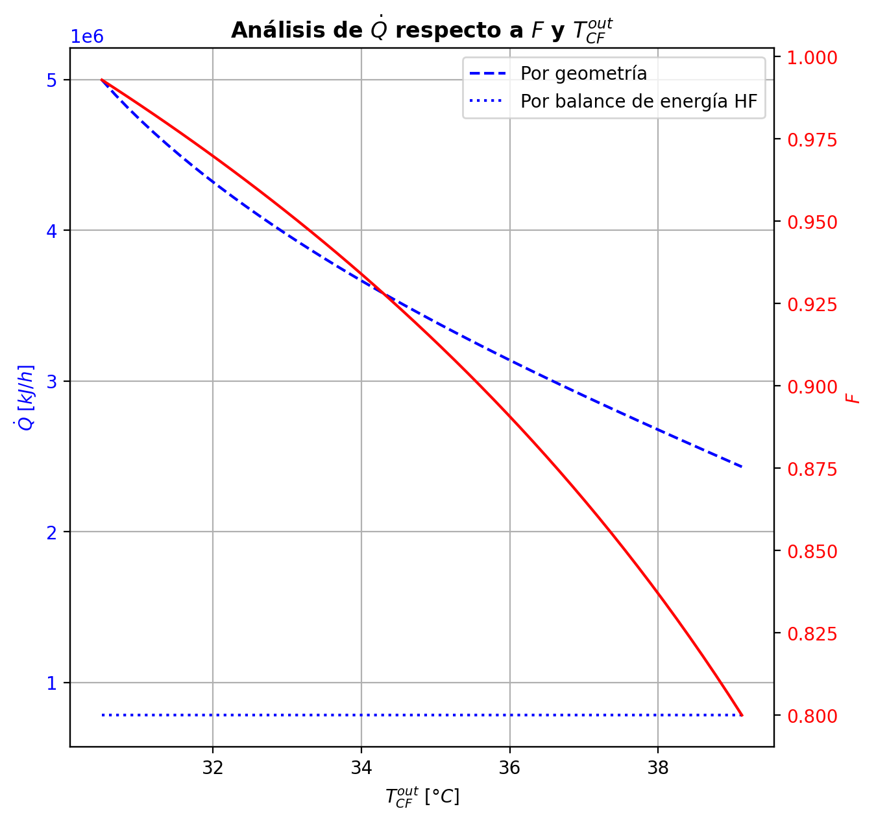
Etapas |  |  |  |  |  |  |  |  |  |  |  |  |  |  |  |  |  |  |  |  |  |  |  |  |  |  |  |  |  |  |  |  |  |  |  |  |  |  |  |  |  |  |  |  |  |  |  |  |  |  |  |  | Real | Simulación T [°C] |  | Ubicación
Ubicación de etapa |  |  |  | Flujos (cumplir balances de matería y energía ME) |  |  |  |  |  | Área R | Transferencia de masa RM |  |  |  |  |  |  |  |  |  |  |  |  |  |  |  |  |  |  | Transferencia de energía RE, cumplir equilibrio Q |  |  |  |  |  |  |  |  |  |  |  |  |  |  |  |  |  | Hidráulica H |  |  |  |  |  | g | l | Etapa | Posición [m]
Zona | s | z top [m] | z lower [m] | Fg [kmol/h] | Fl [kmol/h] | V [kmol/h] | L [kmol/h] | Vb [kmol/h] | Lb [kmol/h] | aefAtrZ [m2] | ya molar en Fg | xa molar en Fl | ya molar en V | yab molar | yaI molar | xaI molar | xab molar | xa molar en L | kbmg [m/h] | kbml [m/h] | Na [kmol/h] | Nw [kmol/h] | Nt [kmol/h] | Jag [kmol/h] | Γg,b≈1 | Ntyab [kmol/h] | Jal [kmol/h] | Γl,b | Ntxab [kmol/h] | Tg en Fg [°C] | Tl en Fl [°C] | Tg [°C] | Tg,b [°C] | TI [°C] | Tl,b [°C] | Tl [°C] | khg [kJ/h·m2·°C] | khl [kJ/h·m2·°C] | E [kJ/h] | Qg [kJ/h] | ΣNiĥig,b [kJ/h] | Ql [kJ/h] | ΣNiĥil,b [kJ/h] | hg en Fg [kJ/kmol] | hl en Fl [kJ/kmol] | hg en V [kJ/kmol] | hl en L [kJ/kmol] | P en Fg [bar] | P en Fl [bar] | P [bar] |  | TT1 [°C] | 199.1919 | - | 197.28328913 | 36 | 10.2497
Rectificación | 2 | 9.6416 | 9.6146 | - | - | 36.827508352 | 26.097253854 | 36.581320263 | 26.097253854 | 2.2194544547 | - | - | 0.98139181856 | 0.97981288963 | 0.99993663349 | 0.96714165211 | 0.97699514207 | 0.97699514207 | 4.6380168959 | 0.15373403411 | -0.59795513443 | 0.10557895723 | -0.49237617721 | -0.11551860946 | 0.99999999999 | -0.48243652497 | -0.11690600123 | 0.99971458078 | -0.4810491332 | - | - | 74.342556867 | 76.539570672 | 39.410361679 | 39.281460562 | 39.281460562 | 92.713422137 | 3863.0784157 | 8768.1650169 | 7640.1968078 | 1127.968209 | 1105.1887185 | 7662.9762983 | - | - | -48801.021206 | -71145.473998 | - | - | 14.6937395 |  | TT2 [°C] | 197.4653 | 197.09922685 | 196.99540402 | 28 | 8.7696
Rectificación | 3 | 9.6146 | 9.5876 | - | - | 36.335132174 | 25.534331248 | 36.053670871 | 25.534331248 | 2.2204938154 | - | - | 0.97823396071 | 0.97639238028 | 0.99992148109 | 0.96014798821 | 0.97180792337 | 0.97180792337 | 4.6398799072 | 0.14945778423 | -0.68242481179 | 0.11950220599 | -0.5629226058 | -0.1327914688 | 0.99999999998 | -0.549633343 | -0.13537216323 | 1.0023752953 | -0.54705264856 | - | - | 78.736584478 | 81.212899312 | 39.725283138 | 39.634195455 | 39.634195455 | 90.959316933 | 3773.02931 | 9806.4146356 | 8379.4447109 | 1426.9699246 | 763.13153697 | 9043.2830987 | - | - | -49221.008538 | -72329.87866 | - | - | 14.693742846 |  | TT3 [°C] | 191.5738 | 196.51255003 | 196.2152605 | 27 | 5.5946
Rectificación | 4 | 9.5876 | 9.5606 | - | - | 35.772209569 | 24.914641046 | 35.462364467 | 24.914641046 | 2.2214557919 | - | - | 0.97455079986 | 0.97240409267 | 0.99990263501 | 0.95188251388 | 0.96568204477 | 0.96568204477 | 4.6395995621 | 0.14464747284 | -0.75484391531 | 0.13515371273 | -0.61969020258 | -0.15225462614 | 0.99999999995 | -0.60258928918 | -0.15642021336 | 1.0066033079 | -0.59842370195 | - | - | 83.689214147 | 86.481167324 | 40.10400253 | 40.007402222 | 40.007402222 | 89.077366749 | 3673.3057983 | 9904.5810826 | 9177.1797949 | 727.4012876 | 788.26685666 | 9116.314226 | - | - | -49721.430625 | -73731.365281 | - | - | 14.693746166 |  | TT4 [°C] | 46.5833 | 166.5035683 | 161.87997796 | 10 | 3.9246
Rectificación | 5 | 9.5606 | 9.5336 | - | - | 35.152519366 | 24.239017117 | 34.814707401 | 24.239017117 | 2.2224667794 | - | - | 0.97025738547 | 0.96775628891 | 0.99987889831 | 0.94210978218 | 0.9584395358 | 0.9584395358 | 4.6383295819 | 0.13939392542 | -0.82798919611 | 0.15236526705 | -0.67562392906 | -0.17414988984 | 0.99999999988 | -0.65383930629 | -0.18044451116 | 1.0128954939 | -0.64754468495 | - | - | 89.273120501 | 92.421400646 | 40.561808354 | 40.447439675 | 40.447439675 | 87.095367141 | 3564.5435673 | 9678.4266431 | 10038.282889 | -359.85624563 | 906.03778991 | 8772.3888532 | - | - | -50316.190338 | -75387.218233 | - | - | 14.693749456 |  | TT5 [°C] | 94.2881 | 74.342556867 | - | 1 | 0
Rectificación | 6 | 9.5336 | 9.5066 | - | - | 34.476895437 | 23.505991621 | 34.110382689 | 23.505991621 | 2.2229506284 | - | - | 0.96525519235 | 0.96234351656 | 0.99984869343 | 0.93060598694 | 0.94986731851 | 0.94986731851 | 4.6361955769 | 0.13409706 | -0.90405908426 | 0.17103358803 | -0.73302549623 | -0.19863675054 | 0.99999999977 | -0.70542233378 | -0.20778212178 | 1.0218676082 | -0.6962769625 | - | - | 95.569680792 | 99.118596184 | 41.115910544 | 40.974654382 | 40.974654382 | 85.021550623 | 3361.6687833 | 9243.3372844 | 10962.432727 | -1719.0954427 | 1055.5823975 | 8187.7548415 | - | - | -51021.485733 | -77344.907001 | - | - | 14.69375271
Rectificación | 7 | 9.5066 | 9.4796 | - | - | 33.743869941 | 22.715062088 | 33.348405174 | 22.715062088 | 2.2233130726 | - | - | 0.95943184078 | 0.956044349 | 0.99980947395 | 0.9170309866 | 0.93970575734 | 0.93970575734 | 4.6331475331 | 0.12850963157 | -0.98209860686 | 0.19116907454 | -0.79092953231 | -0.22593489716 | 0.99999999946 | -0.75616370982 | -0.23885757167 | 1.0342158721 | -0.74324103517 | - | - | 102.66751158 | 106.66616579 | 41.792722381 | 41.618451272 | 41.618451272 | 82.861729978 | 3226.8220374 | 8547.5153363 | 11951.476673 | -3403.9613365 | 1250.2620012 | 7297.2533349 | - | - | -51855.910257 | -79661.733412 | - | - | 14.693755925 |  |  |  | Rectificación | Agotamiento |  | Simbología
Rectificación | 8 | 9.4796 | 9.4526 | - | - | 32.952940408 | 21.871408022 | 32.531113375 | 21.871408022 | 2.2236820551 | - | - | 0.95265685721 | 0.94871751893 | 0.9997574241 | 0.90100458315 | 0.92763955065 | 0.92763955065 | 4.629457011 | 0.12259758648 | -1.0566915134 | 0.21303744713 | -0.84365406625 | -0.25630212113 | 0.99999999876 | -0.80038939257 | -0.27408463438 | 1.0506907725 | -0.78260687892 | - | - | 110.66482 | 115.12128959 | 42.626207125 | 42.409512236 | 42.409512236 | 79.867358896 | 3083.3908999 | 7153.4627496 | 12875.098574 | -5721.6358224 | 1485.7643951 | 5667.6983538 | - | - | -52841.159375 | -82407.486336 | - | - | 14.693759096 |  | Transferencia de masa | Na [kmol/h] | -24.7881805 | -11.350236014 |  | l-v
Rectificación | 9 | 9.4526 | 8.9486 | - | - | 32.109286342 | 14.84714055 | 28.597152606 | 14.84714055 | 41.097216996 | - | - | 0.94477818065 | 0.77232015611 | 0.89181847961 | 0.30098608015 | 0.33677749939 | 0.33677749939 | 4.35336024 | 0.13011963679 | -15.288600242 | 8.2643327697 | -7.0242674721 | -9.8636168913 | 0.99999999999 | -5.4249833506 | -12.922985008 | 1.5012202406 | -2.3656152343 | - | - | 119.57775918 | 140.92449855 | 121.59073864 | 121.27992733 | 121.27992733 | 69.507393895 | 1917.8276764 | -1285199.0735 | 55228.05391 | -1340427.1274 | 24497.333061 | -1309696.4065 | - | - | -54006.747293 | -207957.00161 | - | - | 14.693762219 |  |  | Nw [kmol/h] | 13.044322026 | 16.714725196 |  | v-l
Rectificación | 10 | 8.9486 | 8.4446 | - | - | 25.08501887 | 14.849549672 | 25.086223431 | 14.849549672 | 39.918986712 | - | - | 0.59986213158 | 0.53976189278 | 0.58206705745 | 0.12535842448 | 0.13374864733 | 0.13374864733 | 4.0832909286 | 0.16536702818 | -3.0140756852 | 3.0164848077 | 0.0024091224869 | -3.0153760378 | 1 | 0.0013003525135 | -3.0143979021 | 1.1705381425 | 0.00032221687389 | - | - | 162.27123792 | 166.5035683 | 162.40753081 | 161.87997796 | 161.87997796 | 59.525102744 | 2207.4197563 | -586945.02065 | 9732.9296801 | -596677.95033 | 46486.880832 | -633431.90148 | - | - | -120363.36119 | -247449.37947 | - | - | 14.693807691 |  |  | Nt [kmol/h] | -11.743858474 | 5.3644891823
Rectificación | 11 | 8.4446 | 7.9406 | - | - | 25.087427992 | 14.874989187 | 25.10014775 | 14.874989187 | 39.99854873 | - | - | 0.47966165398 | 0.46815411777 | 0.47620282408 | 0.093909036341 | 0.09548478051 | 0.09548478051 | 4.1483365625 | 0.17045360349 | -0.56577210457 | 0.59121161937 | 0.025439514801 | -0.57768171818 | 1 | 0.011909613608 | -0.56820119106 | 1.1289328804 | 0.0024290864871 | - | - | 170.73589868 | 172.10103278 | 170.76706889 | 170.64945707 | 170.64945707 | 59.057705374 | 2305.1451248 | -114790.82076 | 3151.1195201 | -117941.94028 | 10844.099177 | -125634.91994 | - | - | -143747.78508 | -254743.22199 | - | - | 14.693847873 |  |  | Jag [kmol/h] | -14.81270902 | -13.00956787
Rectificación | 12 | 7.9406 | 7.9136 | - | - | 25.112867507 | 14.87966513 | 25.115205479 | 14.87966513 | 2.1433897827 | - | - | 0.45664658156 | 0.45588781323 | 0.46578723545 | 0.091154373498 | 0.093036605743 | 0.093036605743 | 4.1672072097 | 0.17100029292 | -0.03598153932 | 0.040657482346 | 0.004675943026 | -0.038113244761 | 1 | 0.0021317054409 | -0.036416573188 | 1.1263285291 | 0.00043503386779 | - | - | 173.46616687 | 173.57901344 | 171.51906441 | 171.34546661 | 171.34546661 | 58.994118375 | 2313.5555909 | -7969.0749055 | 260.47517936 | -8229.5500849 | 860.84570467 | -8829.9206102 | - | - | -148173.1637 | -255198.73695 | - | - | 14.693888807 |  |  | Ntyab [kmol/h] | -9.9754714803 | 1.6593318568
Rectificación | 13 | 7.9136 | 7.8866 | - | - | 25.11754345 | 14.87795023 | 25.116686 | 14.87795023 | 2.1437482483 | - | - | 0.45512904491 | 0.45462558669 | 0.4611929213 | 0.089955601426 | 0.091295069268 | 0.091295069268 | 4.169848489 | 0.17115830472 | -0.026070041497 | 0.024355141141 | -0.0017149003561 | -0.025290403916 | 1 | -0.00077963758049 | -0.02591347955 | 1.1245512338 | -0.00015656194679 | - | - | 173.69186001 | 173.79878808 | 171.84721943 | 171.7472523 | 171.7472523 | 58.985866449 | 2317.8225919 | -4499.022514 | 246.77751047 | -4745.8000245 | 496.7194996 | -4995.7420136 | - | - | -148462.85069 | -255530.54764 | - | - | 14.693891014 |  |  | Jal [kmol/h] | -17.926546264 | -11.990964141
Rectificación | 14 | 7.8866 | 7.8596 | - | - | 25.11582855 | 14.87384338 | 25.113775125 | 14.87384338 | 2.1440025867 | - | - | 0.45412212847 | 0.45379289395 | 0.45808721802 | 0.089150780524 | 0.090083185608 | 0.090083185608 | 4.1716592911 | 0.17119174064 | -0.018400302885 | 0.01429345324 | -0.0041068496449 | -0.0165366437 | 1 | -0.0018636591854 | -0.018030344786 | 1.1233311591 | -0.00036995809883 | - | - | 173.90571616 | 174.01227761 | 172.06785717 | 172.00407001 | 172.00407001 | 58.969788803 | 2320.1185185 | -2413.1174281 | 245.83575858 | -2658.9531867 | 317.29903393 | -2730.416462 | - | - | -148652.11865 | -255763.34174 | - | - | 14.693893223 |  |  | Ntxab [kmol/h] | -6.8616342358 | 0.64072812697
Rectificación | 15 | 7.8596 | 7.8326 | - | - | 25.1117217 | 14.868394166 | 25.108997093 | 14.868394166 | 2.144195576 | - | - | 0.45346365942 | 0.45325563775 | 0.45596887689 | 0.088604357166 | 0.089247491086 | 0.089247491086 | 4.1731688816 | 0.17117324989 | -0.01291631818 | 0.0074671034159 | -0.0054492147638 | -0.010446430867 | 1 | -0.002469887313 | -0.012429989434 | 1.1224935032 | -0.00048632874606 | - | - | 174.11883906 | 174.22909762 | 172.21780525 | 172.17532136 | 172.17532136 | 58.950889368 | 2321.2400736 | -1000.3712817 | 254.23185414 | -1254.6031358 | 211.45047789 | -1211.8217596 | - | - | -148772.52494 | -255924.35985 | - | - | 14.693895432 |  | Transferencia de energía | E [kJ/h] | -1937453.8714 | -3494408.6344
Rectificación | 16 | 7.8326 | 7.8056 | - | - | 25.106272486 | 14.86187766 | 25.103014233 | 14.86187766 | 2.14435009 | - | - | 0.45304761609 | 0.45292507393 | 0.45452343371 | 0.088232675059 | 0.088674060047 | 0.088674060047 | 4.1745698442 | 0.17112515363 | -0.0091038436758 | 0.0025873385843 | -0.0065165050915 | -0.0061523551253 | 1 | -0.0029514885503 | -0.0085259987119 | 1.1219195442 | -0.00057784496378 | - | - | 174.33935619 | 174.45652801 | 172.31987103 | 172.29115773 | 172.29115773 | 58.930096556 | 2321.5615921 | 23.625201575 | 270.00241428 | -246.37721272 | 142.9417683 | -119.31656672 | - | - | -148844.66089 | -256034.98565 | - | - | 14.693897643 |  |  | Qg [kJ/h] | 141025.06706 | 30123.523385
Rectificación | 17 | 7.8056 | 7.7786 | - | - | 25.09975598 | 14.854345868 | 25.095990084 | 14.854345868 | 2.1444807403 | - | - | 0.45280253177 | 0.45274120753 | 0.45354112641 | 0.087980622286 | 0.088282251247 | 0.088282251247 | 4.1759555759 | 0.17105548745 | -0.006487938049 | -0.0010438543905 | -0.0075317924395 | -0.0030779852449 | 1 | -0.0034099528039 | -0.0058230144564 | 1.1215276156 | -0.00066492359248 | - | - | 174.57369983 | 174.70050463 | 172.38911934 | 172.36966874 | 172.36966874 | 58.907355517 | 2321.2946708 | 804.81108794 | 291.98734121 | 512.82374672 | 96.824507677 | 707.98658027 | - | - | -148882.36332 | -256110.62623 | - | - | 14.693899855 |  |  | ΣNiĥig,b [kJ/h] | -2078478.9384 | -3524532.1578
Rectificación | 18 | 7.7786 | 7.7516 | - | - | 25.092224188 | 14.845771558 | 25.087937033 | 14.845771558 | 2.1445976802 | - | - | 0.45267988328 | 0.45266336246 | 0.45287887999 | 0.087810940335 | 0.088015962404 | 0.088015962404 | 4.1773846413 | 0.17096754851 | -0.0047102227486 | -0.0038640876789 | -0.0085743104276 | -0.00082894655959 | 1.0000000001 | -0.0038812761889 | -0.0039555465643 | 1.1212614123 | -0.00075467618424 | - | - | 174.82730944 | 174.96619564 | 172.43575377 | 172.42263613 | 172.42263613 | 58.88238211 | 2320.5694509 | 1432.2905675 | 319.54171968 | 1112.7488478 | 65.282378103 | 1367.0081894 | - | - | -148894.97838 | -256162.06724 | - | - | 14.693902068 |  |  | Ql [kJ/h] | 91373.910137 | 364269.88048
Agotamiento | 19 | 6.8706 | 6.8136 | - | 48.062545973 | 25.083649878 | 65.439607483 | 26.349294854 | 65.439607483 | 3.6236993345 | - | 0.209146 | 0.45264684164 | 0.4206923476 | 0.66690893559 | 0.15665768855 | 0.16411607688 | 0.16411607688 | 4.4149367272 | 0.67536816703 | -0.61906245839 | 3.150352411 | 2.5312899526 | -1.683956771 | 1 | 1.0648943126 | -1.0344878349 | 1.2178087627 | 0.41542537648 | - | 117.72278965 | 175.10508184 | 177.20058352 | 154.49007348 | 151.22010337 | 151.22010337 | 61.604869236 | 9230.0632702 | -720491.69137 | 5069.8380232 | -725561.52939 | 109370.60578 | -829862.29715 | - | -235342.3811 | -148888.77439 | -241972.25263 | - | 18.6326 | 14.693904282 |  |  | ΣNiĥil,b [kJ/h] | -2028827.7816 | -3858678.5149
Agotamiento | 20 | 6.8136 | 6.7566 | - | - | 27.61493983 | 66.12961492 | 27.959943548 | 66.12961492 | 3.651041664 | - | - | 0.38873785355 | 0.35781264479 | 0.59335665179 | 0.12915524845 | 0.13998646246 | 0.13998646246 | 4.7379115738 | 0.72890514543 | -1.4824407967 | 2.1724482328 | 0.69000743615 | -1.7293341823 | 1 | 0.24689338566 | -1.5790324967 | 1.1786936579 | 0.096591700057 | - | - | 179.29608521 | 181.10537827 | 161.42672583 | 160.0557666 | 160.0557666 | 64.891253394 | 9745.4686305 | -452723.8978 | 4662.2795164 | -457386.17731 | 48780.253652 | -501504.15145 | - | - | -161331.71414 | -246293.48215 | - | - | 14.69391171
Agotamiento | 21 | 6.7566 | 6.6996 | - | - | 28.304947266 | 66.508616752 | 28.494448183 | 66.508616752 | 3.6626265464 | - | - | 0.32688743603 | 0.2978571644 | 0.51739060315 | 0.10534550153 | 0.116011075 | 0.116011075 | 4.8771442904 | 0.75770350801 | -1.54151473 | 1.9205165627 | 0.3790018327 | -1.6544031412 | 1 | 0.11288841119 | -1.58548314 | 1.149633067 | 0.043968410039 | - | - | 182.91467132 | 184.44229771 | 167.67926686 | 166.68632233 | 166.68632233 | 65.700330156 | 10112.574042 | -390964.65345 | 4033.784893 | -394998.43834 | 36777.257229 | -427741.91068 | - | - | -173393.34465 | -250768.37559 | - | - | 14.69392001 |  | Hidráulica | ΔP [bar] en C-1 | 0.12341827128
Agotamiento | 22 | 6.6996 | 6.6426 | - | - | 28.683949099 | 66.834862612 | 28.847072029 | 66.834862612 | 3.673520479 | - | - | 0.26882689278 | 0.24266070078 | 0.43919858922 | 0.08434886941 | 0.094041745263 | 0.094041745263 | 4.9806458535 | 0.77923261366 | -1.4304690019 | 1.7567148617 | 0.32624585982 | -1.5096360508 | 1 | 0.07916704897 | -1.4611497319 | 1.1262618469 | 0.030680730043 | - | - | 185.9699241 | 187.21755594 | 173.38963627 | 172.54266028 | 172.54266028 | 66.163565003 | 10445.844912 | -357167.76454 | 3360.9202773 | -360528.68482 | 32501.031349 | -389668.79589 | - | - | -184732.37809 | -254888.31553 | - | - | 14.693928665

Agotamiento | 23 | 6.6426 | 6.5856 | - | - | 29.010194959 | 67.132436715 | 29.158982011 | 67.132436715 | 3.6853890787 | - | - | 0.21649450877 | 0.1938456862 | 0.36282353579 | 0.066372868812 | 0.074809102823 | 0.074809102823 | 5.0714158303 | 0.7960622855 | -1.2631497634 | 1.5607238666 | 0.29757410319 | -1.3208332197 | 1 | 0.05768345623 | -1.2854110151 | 1.106403633 | 0.022261251683 | - | - | 188.46518779 | 189.45080134 | 178.41172558 | 177.6910087 | 177.6910087 | 66.633108483 | 10753.315874 | -317985.58985 | 2710.8540263 | -320696.44388 | 28562.120192 | -346547.71004 | - | - | -194966.69714 | -258495.17743 | - | - | 14.693937574
Agotamiento | 24 | 6.5856 | 6.5286 | - | - | 29.307769062 | 67.392381691 | 29.43774155 | 67.392381691 | 3.6974550981 | - | - | 0.17119686364 | 0.15228528924 | 0.2924834955 | 0.051488500833 | 0.058586371026 | 0.058586371026 | 5.1503679962 | 0.80871255368 | -1.0738422829 | 1.3337872587 | 0.25994497578 | -1.1134280788 | 1 | 0.039585795823 | -1.0890715157 | 1.0887871224 | 0.015229232797 | - | - | 190.43641489 | 191.19142073 | 182.6425567 | 182.04988565 | 182.04988565 | 67.134795657 | 11027.901437 | -272270.62949 | 2122.0664995 | -274392.69599 | 24166.263051 | -296436.89255 | - | - | -203836.99188 | -261538.19359 | - | - | 14.693946702
Agotamiento | 25 | 6.5286 | 6.4716 | - | - | 29.567714038 | 67.608742574 | 29.675894479 | 67.608742574 | 3.7087690985 | - | - | 0.13337371484 | 0.11804205041 | 0.23105150078 | 0.039509250668 | 0.045317409142 | 0.045317409142 | 5.2163296876 | 0.81777923068 | -0.88442202928 | 1.1007829125 | 0.2163608832 | -0.90996171156 | 1 | 0.025539682282 | -0.89422694394 | 1.0729650288 | 0.0098049146663 | - | - | 191.94642657 | 192.50811703 | 186.07687186 | 185.60538391 | 185.60538391 | 67.644734371 | 11264.361124 | -225021.39991 | 1613.4624325 | -226634.86234 | 19697.311717 | -244718.71163 | - | - | -211253.33213 | -264029.50994 | - | - | 14.693956018
Agotamiento | 26 | 6.4716 | 5.4076 | - | - | 29.784074921 | 68.043112329 | 30.001259798 | 68.043112329 | 69.72346831 | - | - | 0.10271038599 | 0.066865339704 | 0.08086295241 | 0.0130979146 | 0.01384569585 | 0.01384569585 | 5.312181576 | 0.83043733306 | -2.1217488108 | 2.5561185653 | 0.43436975455 | -2.150793092 | 1 | 0.029044281195 | -2.1277629623 | 1.0263858309 | 0.0060141515081 | - | - | 193.0698075 | 194.57364164 | 193.63783822 | 193.58457216 | 193.58457216 | 68.513318098 | 11852.765045 | -519666.8611 | 4470.3199755 | -524137.18108 | 44019.918709 | -563686.77981 | - | - | -217273.81263 | -269981.33098 | - | - | 14.693965489
Agotamiento | 27 | 5.4076 | 4.3436 | - | - | 30.218444676 | 68.209394789 | 30.301585906 | 68.209394789 | 69.985289194 | - | - | 0.031020293422 | 0.020054172683 | 0.024304157497 | 0.0038838226603 | 0.0041175734925 | 0.0041175734925 | 5.4022257593 | 0.83466307733 | -0.66124704208 | 0.82752950184 | 0.16628245976 | -0.66458169924 | 1 | 0.0033346571622 | -0.66193172233 | 1.0083011058 | 0.00068468024858 | - | - | 196.07747578 | 196.51255003 | 196.23242773 | 196.2152605 | 196.2152605 | 69.638728984 | 12069.24185 | -169581.60704 | 1365.2283012 | -170946.83534 | 14500.635637 | -184082.24267 | - | - | -231347.65703 | -271809.35551 | - | - | 14.694146141
Agotamiento | 28 | 4.3436 | 3.2796 | - | - | 30.384727135 | 68.256490059 | 30.408274771 | 68.256490059 | 70.072124245 | - | - | 0.009088051944 | 0.0058098176626 | 0.0070771949402 | 0.0011273647539 | 0.0011978335424 | 0.0011978335424 | 5.4324702084 | 0.83570793265 | -0.19909728265 | 0.24619255345 | 0.047095270802 | -0.19937089758 | 1 | 0.00027361493613 | -0.19915369494 | 1.002456863 | 5.6412295053E-05 | - | - | 196.94762429 | 197.09922685 | 197.00046157 | 196.99540402 | 196.99540402 | 70.118217889 | 12135.963074 | -50312.490621 | 485.26665321 | -50797.757275 | 4300.9046319 | -54613.395253 | - | - | -235662.73773 | -272358.92311 | - | - | 14.694330608
Agotamiento | 29 | 3.2796 | 3.2226 | - | - | 30.431822406 | 68.264337916 | 30.435746335 | 68.264337916 | 3.7547130521 | - | - | 0.0025315833812 | 0.0021834041391 | 0.0046947434709 | 0.00074755629775 | 0.000887474485 | 0.000887474485 | 5.4403878638 | 0.83596449987 | -0.021177055141 | 0.029024912296 | 0.0078478571547 | -0.021194190185 | 1 | 1.7135043795E-05 | -0.021184019914 | 1.0018235436 | 6.9647729868E-06 | - | - | 197.25082941 | 197.26371185 | 197.10643378 | 197.09445635 | 197.09445635 | 70.247570029 | 12144.233014 | -6036.6044796 | 41.48357808 | -6078.0880577 | 546.14833888 | -6582.7528185 | - | - | -236951.31946 | -272416.04182 | - | - | 14.694516371
Agotamiento | 30 | 3.2226 | 3.1656 | - | - | 30.439670263 | 68.267863311 | 30.44143296 | 68.267863311 | 3.7550190552 | - | - | 0.001835224897 | 0.0015744384764 | 0.0034551764432 | 0.00055006503304 | 0.00065493457399 | 0.00065493457399 | 5.4418586151 | 0.83602389281 | -0.015871874162 | 0.019397268373 | 0.0035253942104 | -0.015877424679 | 1 | 5.5505162892E-06 | -0.015874183065 | 1.0013476016 | 2.3089025553E-06 | - | - | 197.27659428 | 197.286884 | 197.16122117 | 197.15402217 | 197.15402217 | 70.273256093 | 12149.478209 | -3962.8515458 | 33.159582443 | -3996.0111282 | 328.42947265 | -4291.2810184 | - | - | -237088.54316 | -272460.02265 | - | - | 14.694526341
Agotamiento | 31 | 3.1656 | 3.1086 | - | - | 30.443195658 | 68.27018469 | 30.444356347 | 68.27018469 | 3.7552240359 | - | - | 0.0013136520558 | 0.0011183456481 | 0.0025267220978 | 0.00040219439756 | 0.0004807607374 | 0.0004807607374 | 5.4427392286 | 0.83605294829 | -0.01188935964 | 0.014210739159 | 0.002321379519 | -0.011891955745 | 1 | 2.5961046826E-06 | -0.011890475668 | 1.000990255 | 1.1160281293E-06 | - | - | 197.29717373 | 197.30563968 | 197.20223427 | 197.19703754 | 197.19703754 | 70.289153738 | 12153.296561 | -2890.2724454 | 27.294015388 | -2917.5664608 | 237.1699494 | -3127.4423948 | - | - | -237191.25974 | -272493.09403 | - | - | 14.694536315
Agotamiento | 32 | 3.1086 | 3.0516 | - | - | 30.445517037 | 68.271813586 | 30.446331485 | 68.271813586 | 3.7553742672 | - | - | 0.00092303924042 | 0.00077678740495 | 0.0018313535113 | 0.00029147567107 | 0.00035032357656 | 0.00035032357656 | 5.4433816626 | 0.83607198398 | -0.0089043984206 | 0.010533293734 | 0.001628895313 | -0.0089056637259 | 1 | 1.2653053632E-06 | -0.008904969061 | 1.0007221513 | 5.7064043191E-07 | - | - | 197.31410563 | 197.32134284 | 197.23294158 | 197.22907254 | 197.22907254 | 70.300201346 | 12156.133138 | -2135.735533 | 23.338248406 | -2159.0737814 | 176.62507594 | -2312.360609 | - | - | -237268.10723 | -272517.87546 | - | - | 14.694546291
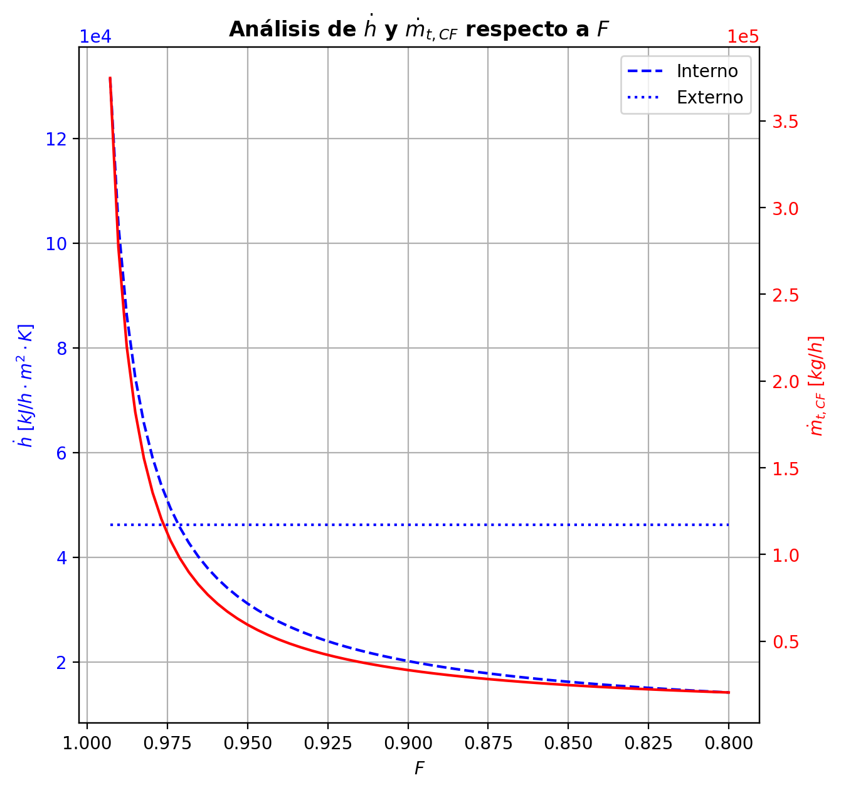
Agotamiento | 33 | 3.0516 | 2.9946 | - | - | 30.447145932 | 68.272933559 | 30.447705919 | 68.272933559 | 3.7554855895 | - | - | 0.00063053556948 | 0.00052102626583 | 0.0013106169958 | 0.0002085786936 | 0.00025265056596 | 0.00025265056596 | 5.4438692511 | 0.83608481194 | -0.00666803061 | 0.0077880036946 | 0.0011199730846 | -0.0066686141454 | 1 | 5.835353941E-07 | -0.0066683135719 | 1.0005211159 | 2.8296183368E-07 | - | - | 197.32858006 | 197.33505758 | 197.2559354 | 197.2530412 | 197.2530412 | 70.307770468 | 12158.240488 | -1572.242256 | 20.891407934 | -1593.1336639 | 132.14928602 | -1704.391542 | - | - | -237325.55927 | -272536.43376 | - | - | 14.694556268
Agotamiento | 34 | 2.9946 | 2.9376 | - | - | 30.448265905 | 68.273658013 | 30.448628133 | 68.273658013 | 3.7555678272 | - | - | 0.00041151696219 | 0.00032952426832 | 0.00092069247909 | 0.00014651495964 | 0.00017951731744 | 0.00017951731744 | 5.444245115 | 0.83609298844 | -0.0049928913654 | 0.0057173454474 | 0.00072445408192 | -0.0049931300906 | 1 | 2.3872520127E-07 | -0.0049930214175 | 1.0003704346 | 1.3005205339E-07 | - | - | 197.34153511 | 197.34763221 | 197.27315559 | 197.27098879 | 197.27098879 | 70.312628035 | 12159.799076 | -1146.1439036 | 19.666582344 | -1165.810486 | 98.951339775 | -1245.0952434 | - | - | -237368.46628 | -272550.32936 | - | - | 14.694566246
Agotamiento | 35 | 2.9376 | 2.8806 | 30.44813906 | - | 30.44899036 | 68.272806713 | 30.44856471 | 68.272806713 | 3.7556138685 | 0.00012476560157 | - | 0.00024753157445 | 0.00018614858801 | 0.00062877406126 | 0.00010005575022 | 0.00012476560157 | 0.00012476560157 | 5.4466676041 | 0.83608205411 | -0.0037382061374 | 0.00288690647 | -0.0008512996674 | -0.0037380476692 | 1 | -1.5846823106E-07 | -0.0037380999245 | 1.0002575392 | -1.0621291512E-07 | 197.70087544 | - | 197.35372931 | 197.52730238 | 197.28605254 | 197.28442995 | 197.28442995 | 70.272045821 | 12160.718407 | -478.19910781 | 63.669371941 | -541.86847975 | 74.105068367 | -552.30417618 | -237422.803 | - | -237400.46016 | -272560.73206 | 14.817157771 | - | 14.694576225

